16.07.2026
Kép | Cikkszám | Név | Méret | Stock | NK ár | Akcós Nk ár | SRP
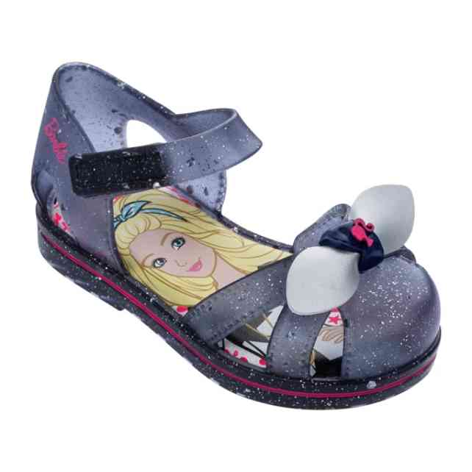 | 22353-53837 | IPANEMA BARBIE GLOSS | 1-3-3-4-1 | 46 | 5,829 Ft | 4,955 Ft | 13,990 Ft
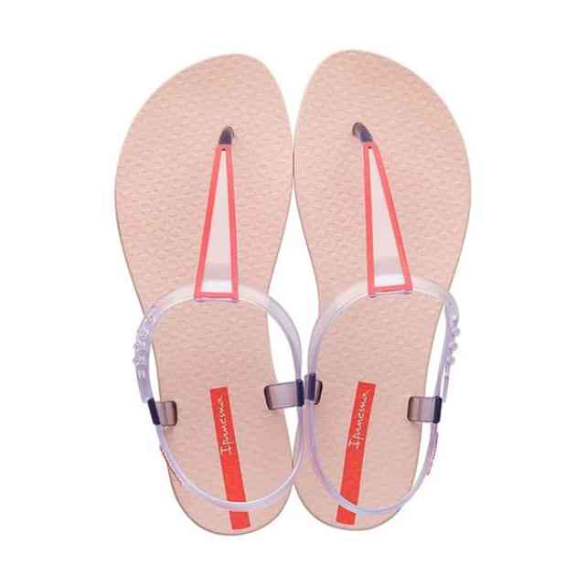 | 26311-20738A | IPANEMA CLASS POP II | 1-2-3-3-2-1 | 84 | 2,913 Ft | 2,476 Ft | 6,990 Ft
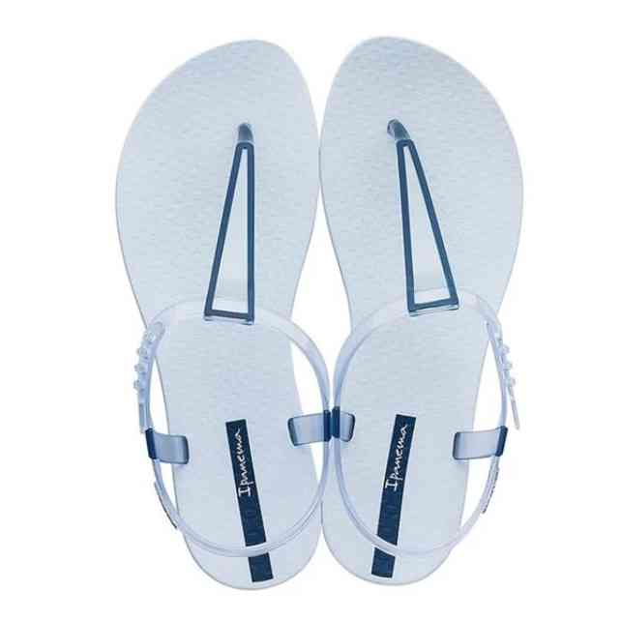 | 26311-24814A | IPANEMA CLASS POP II | 1-2-3-3-2-1 | 12 | 2,913 Ft | 2,476 Ft | 6,990 Ft
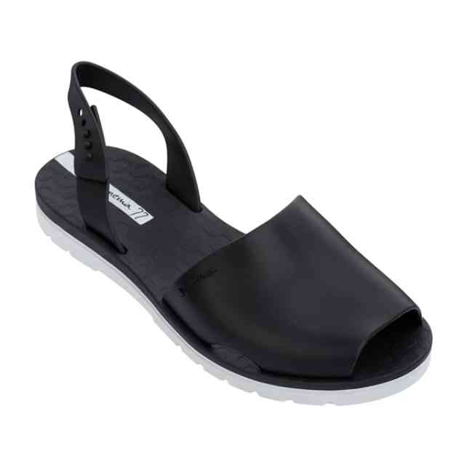 | 26415-21364 | IPANEMA BARCELONA I | 1-2-3-3-2-1 | 18 | 7,079 Ft | 6,017 Ft | 16,990 Ft
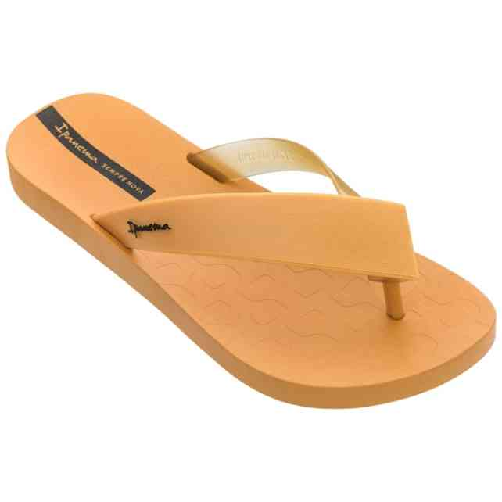 | 26445-21488C | IPANEMA HIT | 1-3-4-3-1 | 24 | 2,079 Ft | 1,767 Ft | 4,990 Ft
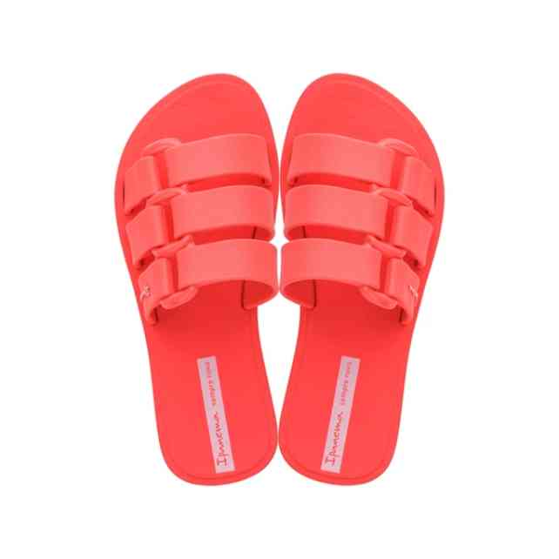 | 26520-21310 | IPANEMA BOLD KIDS | 1-1-1-1-2-2-2-2 | 12 | 2,913 Ft | 2,476 Ft | 6,990 Ft
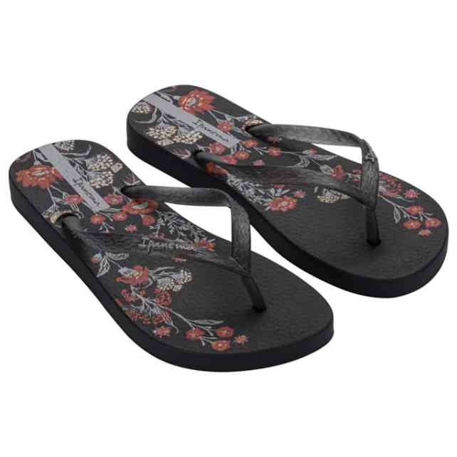 | 26571-BN428 | IPANEMA OASIS FEM | 2-4-4-2 | 60 | 2,496 Ft | 2,122 Ft | 5,990 Ft
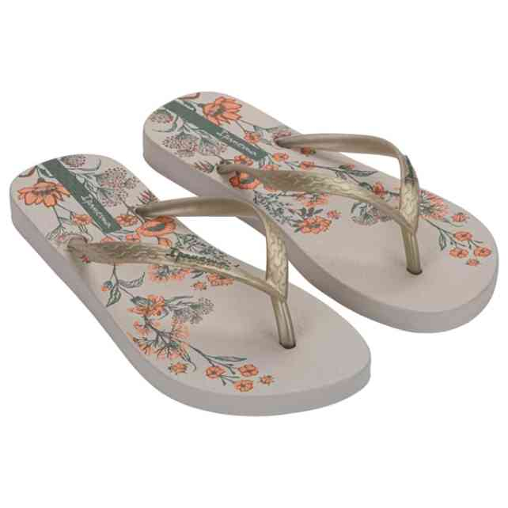 | 26571-BN430 | IPANEMA OASIS FEM | 2-4-4-2 | 60 | 2,496 Ft | 2,122 Ft | 5,990 Ft
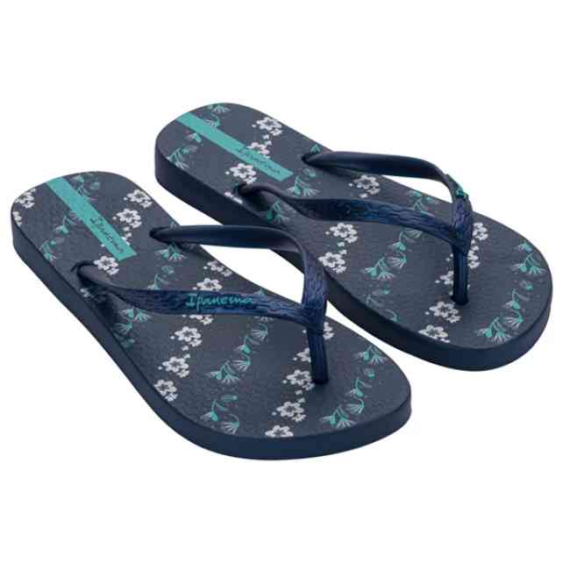 | 26571-BN437 | IPANEMA OASIS FEM | 2-4-4-2 | 96 | 2,496 Ft | 2,122 Ft | 5,990 Ft
 | 26571-BN437W | IPANEMA OASIS FEM | 1-2-2-1 | 6 | 2,496 Ft | 2,122 Ft | 5,990 Ft
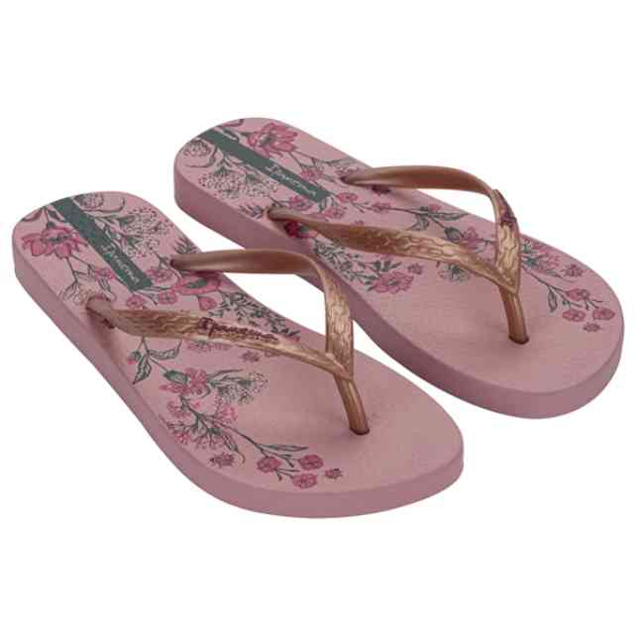 | 26571-BO233 | IPANEMA OASIS FEM | 2-4-4-2 | 36 | 2,496 Ft | 2,122 Ft | 5,990 Ft
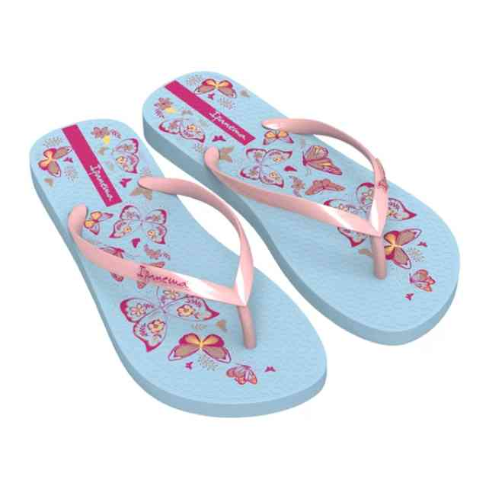 | 26571-BS595 | IPANEMA OASIS FEM | 2-4-4-2 | 12 | 2,496 Ft | 2,122 Ft | 5,990 Ft
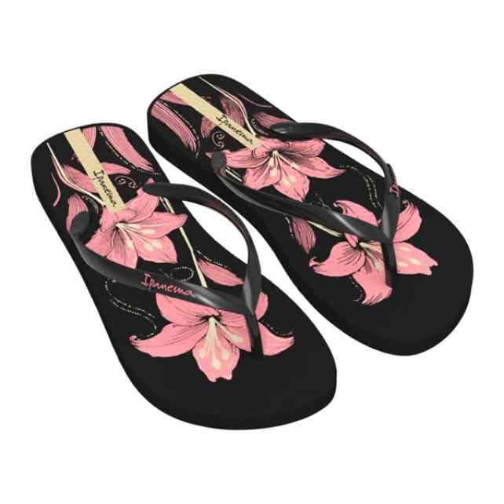 | 26571-BS597 | IPANEMA OASIS FEM | 2-4-4-2 | 12 | 2,496 Ft | 2,122 Ft | 5,990 Ft
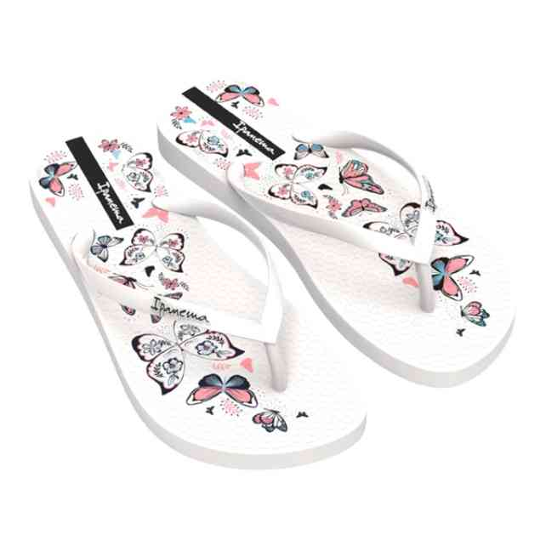 | 26571-BT180 | IPANEMA OASIS FEM | 2-4-4-2 | 48 | 2,496 Ft | 2,122 Ft | 5,990 Ft
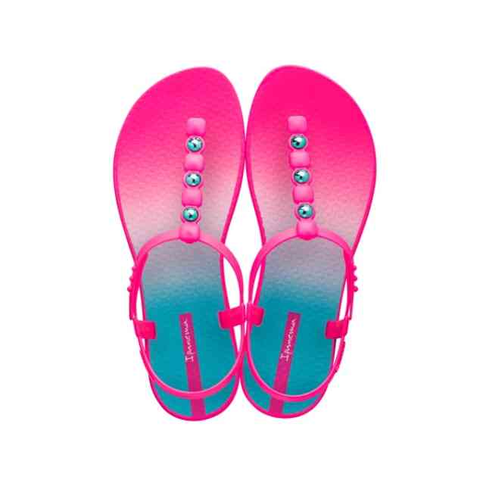 | 26582-21444 | IPANEMA CLASS COLORS | 1-2-3-3-2-1 | 12 | 4,163 Ft | 3,539 Ft | 9,990 Ft
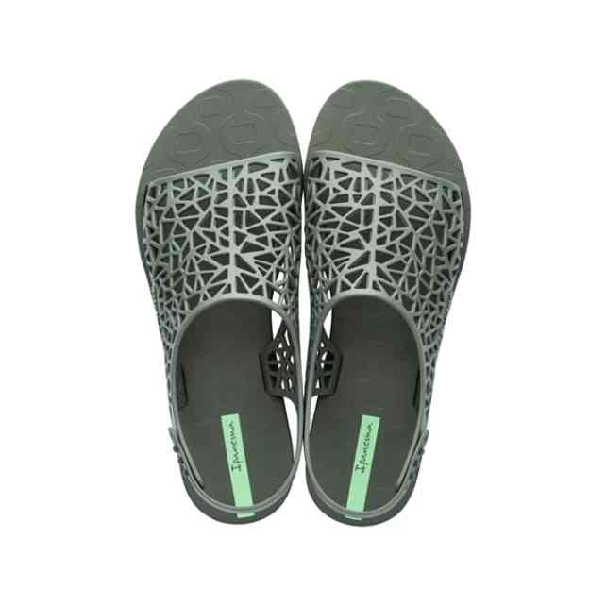 | 26679-20770 | IPANEMA SHAPE SANDAL | 1-2-3-3-2-1 | 120 | 4,163 Ft | 3,539 Ft | 9,990 Ft
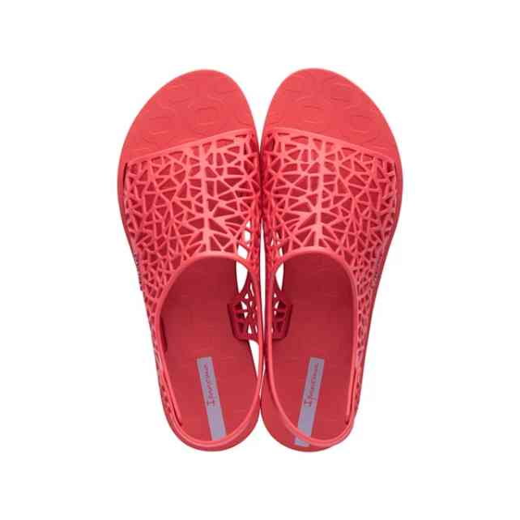 | 26679-21513 | IPANEMA SHAPE SANDAL | 1-2-3-3-2-1 | 60 | 4,163 Ft | 3,539 Ft | 9,990 Ft
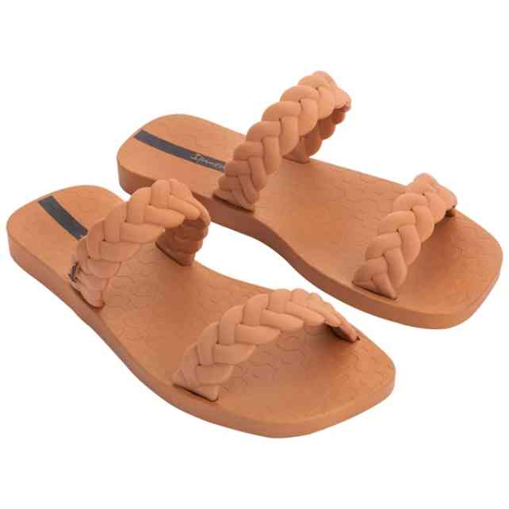 | 26826-AF000 | IPANEMA FEVER SLIDE | 2-2-3-3-2 | 12 | 4,996 Ft | 4,247 Ft | 11,990 Ft
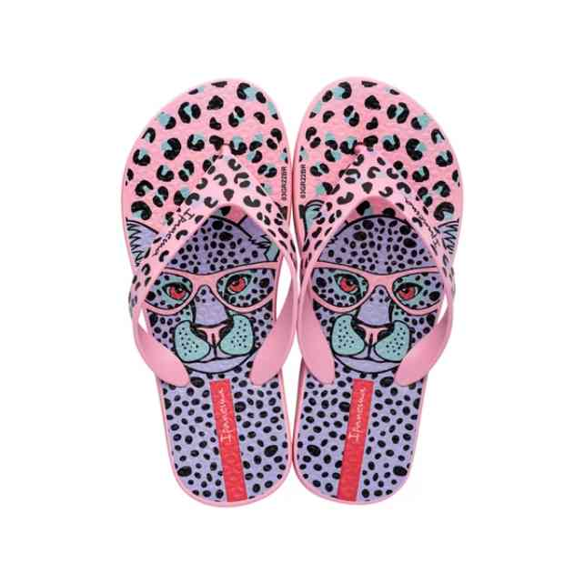 | 26851-AF799 | IPANEMA SAFARI FUN K | 1-2-2-2-2-2-1 | 35 | 3,746 Ft | 3,184 Ft | 8,990 Ft
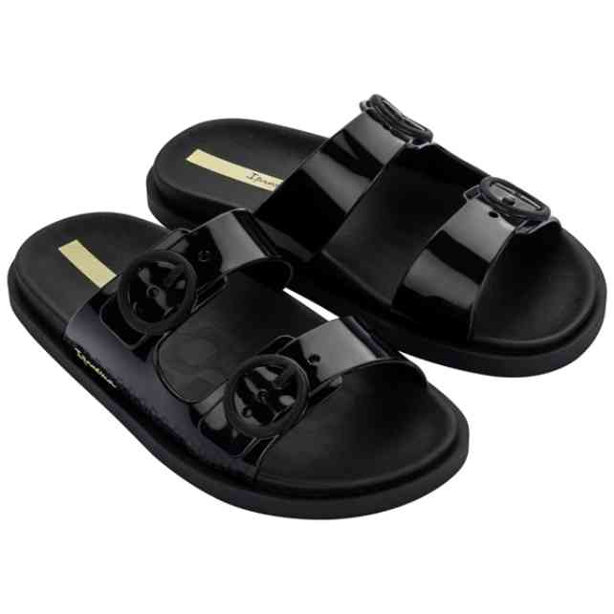 | 26855-AG020 | IPANEMA FOLLOW KIDS | 1-1-2-2-3-3 | 60 | 4,996 Ft | 4,247 Ft | 11,990 Ft
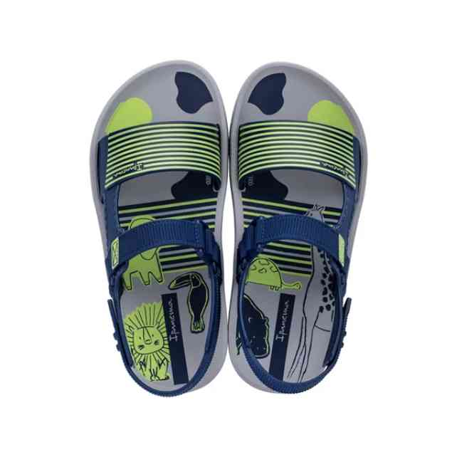 | 26883-AD244 | IPANEMA RECREIO PAPE | 2-2-2-2-2-2 | 24 | 4,996 Ft | 4,247 Ft | 11,990 Ft
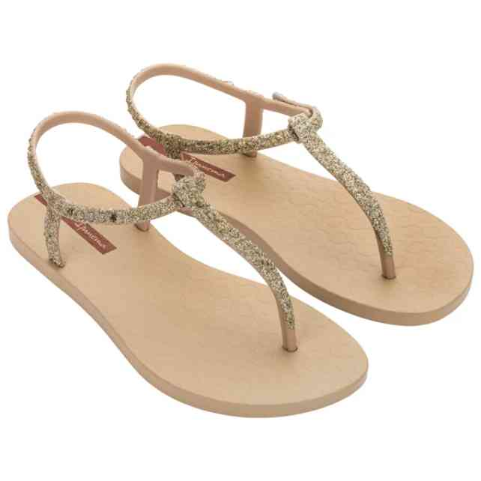 | 26914-AI192 | IPANEMA CLASS BRILHA | 2-3-3-3-1 | 12 | 6,246 Ft | 5,309 Ft | 14,990 Ft
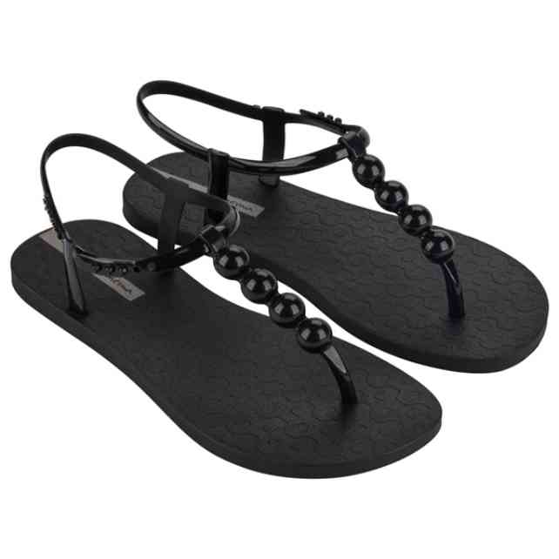 | 27017-AH402 | IPANEMA CLASS EASY O | 2-2-3-3-2 | 12 | 3,329 Ft | 2,830 Ft | 7,990 Ft
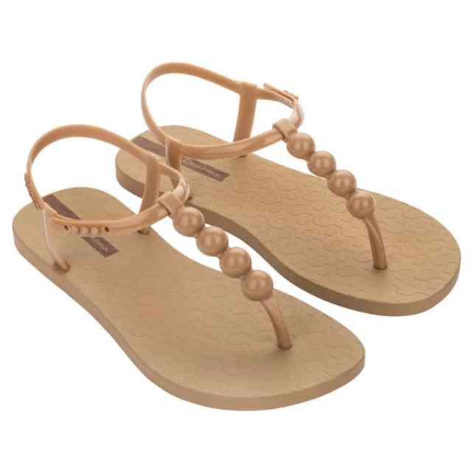 | 27017-AO034 | IPANEMA CLASS EASY O | 2-2-3-3-2 | 12 | 3,329 Ft | 2,830 Ft | 7,990 Ft
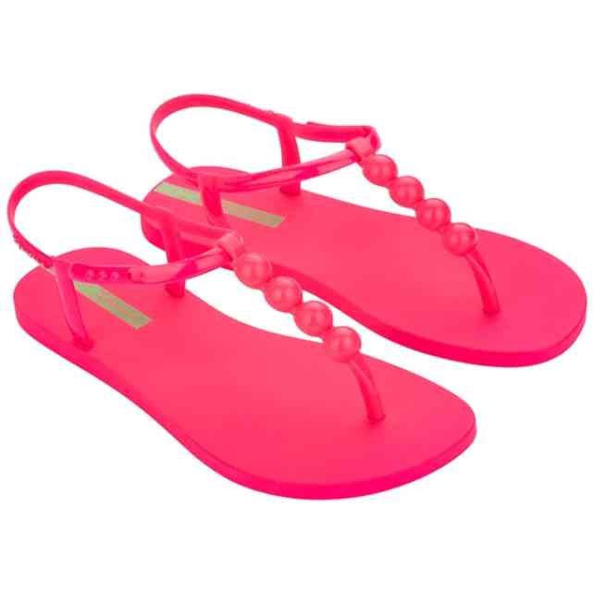 | 27017-BN148 | IPANEMA CLASS EASY O | 2-2-3-3-2 | 24 | 3,329 Ft | 2,830 Ft | 7,990 Ft
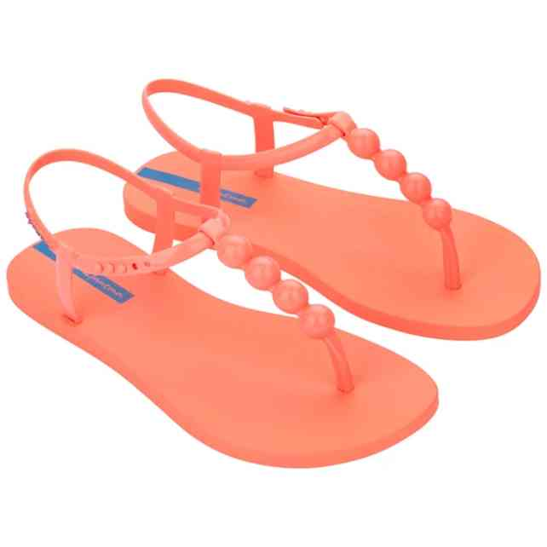 | 27017-BN152 | IPANEMA CLASS EASY O | 2-2-3-3-2 | 12 | 3,329 Ft | 2,830 Ft | 7,990 Ft
 | 27017-BN152W | IPANEMA CLASS EASY O | 1-1-2-1-1 | 6 | 3,329 Ft | 2,830 Ft | 7,990 Ft
 | 27017-BN153 | IPANEMA CLASS EASY O | 2-2-3-3-2 | 12 | 3,329 Ft | 2,830 Ft | 7,990 Ft
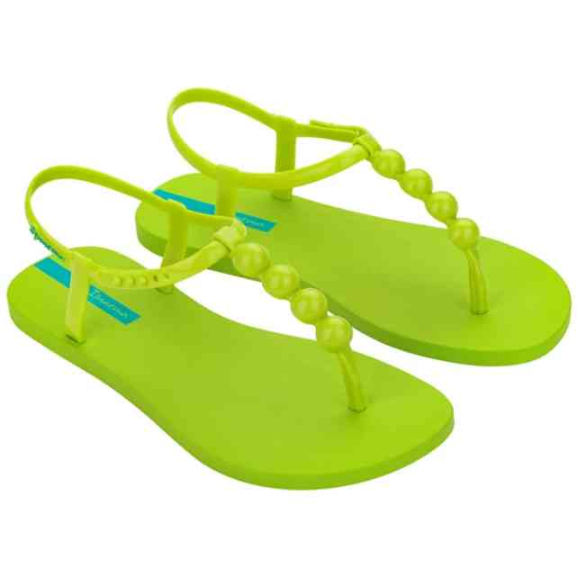 | 27017-BN153W | IPANEMA CLASS EASY O | 1-1-2-1-1 | 6 | 3,329 Ft | 2,830 Ft | 7,990 Ft
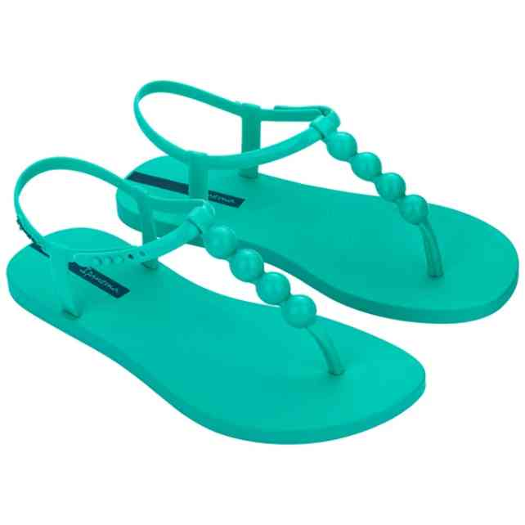 | 27017-BN155 | IPANEMA CLASS EASY O | 2-2-3-3-2 | 12 | 3,329 Ft | 2,830 Ft | 7,990 Ft
 | 27017-BN155W | IPANEMA CLASS EASY O | 1-1-2-1-1 | 6 | 3,329 Ft | 2,830 Ft | 7,990 Ft
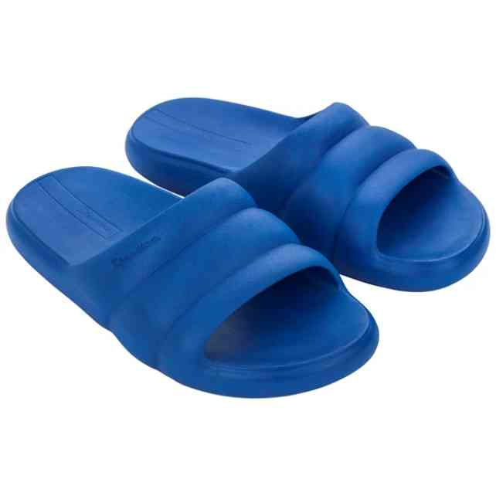 | 27022-AK914 | IPANEMA BLISS SLIDE | 1-2-3-3-2-1 | 17 | 5,829 Ft | 4,955 Ft | 13,990 Ft
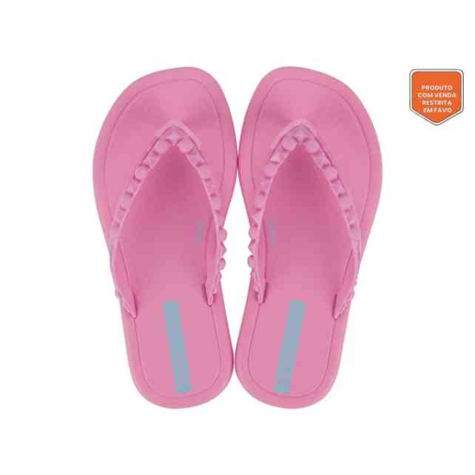 | 27131-AV632 | IPANEMA MEU SOL KIDS | 1-2-3-3-3 | 12 | 2,913 Ft | 2,476 Ft | 6,990 Ft
 | 27133-AV905A | IPANEMA MEU SOL THON | 1-2-3-3-2-1 | 72 | 2,496 Ft | 2,122 Ft | 5,990 Ft
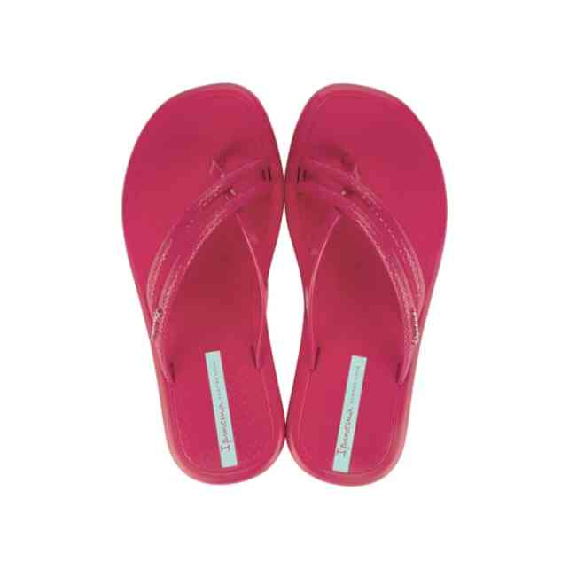 | 27133-AV905B | IPANEMA MEU SOL THON | 2-2-2-2-2-2 | 12 | 2,496 Ft | 2,122 Ft | 5,990 Ft
 | 27133-AV905D | IPANEMA MEU SOL THON | 1-3-3-4-1 | 12 | 2,496 Ft | 2,122 Ft | 5,990 Ft
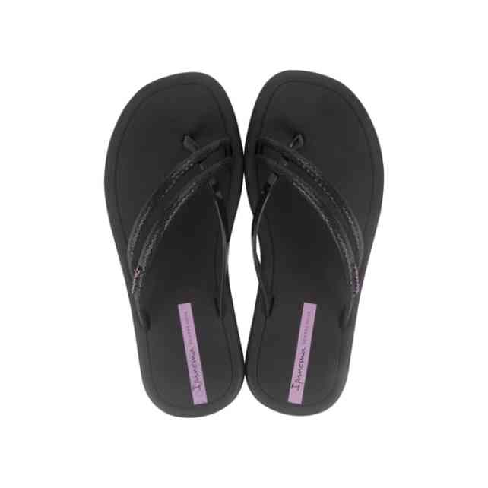 | 27133-AV906A | IPANEMA MEU SOL THON | 1-2-3-3-2-1 | 192 | 2,496 Ft | 2,122 Ft | 5,990 Ft
 | 27133-AV906B | IPANEMA MEU SOL THON | 2-2-2-2-2-2 | 48 | 2,496 Ft | 2,122 Ft | 5,990 Ft
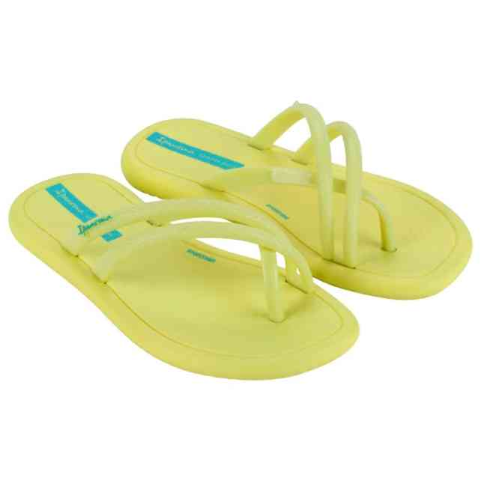 | 27133-AV911A | IPANEMA MEU SOL THON | 1-2-3-3-2-1 | 24 | 2,496 Ft | 2,122 Ft | 5,990 Ft
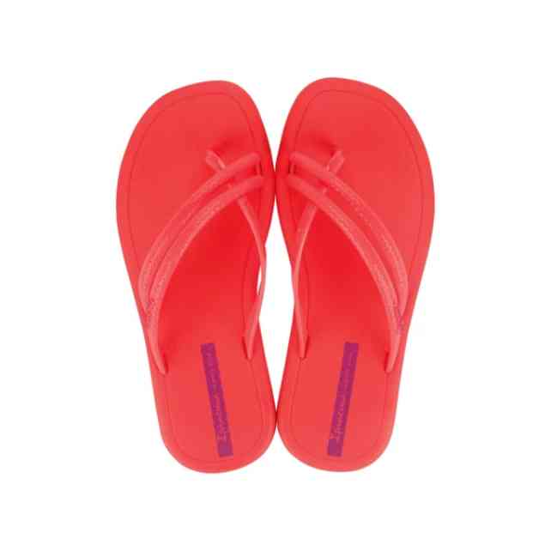 | 27133-AV913A | IPANEMA MEU SOL THON | 1-2-3-3-2-1 | 12 | 2,496 Ft | 2,122 Ft | 5,990 Ft
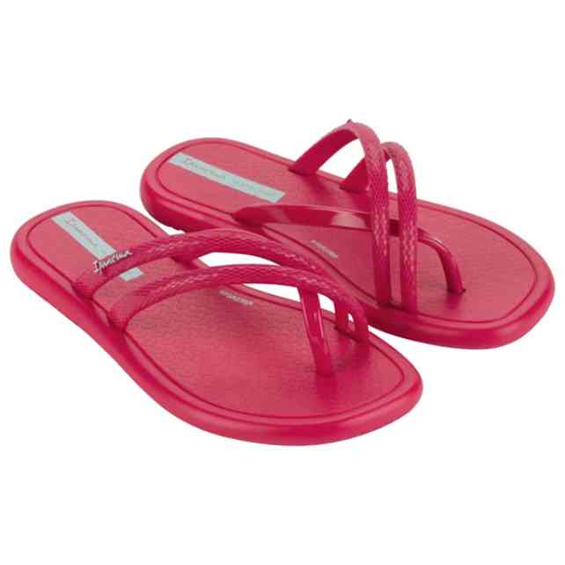 | 27134-AV930D | IPANEMA MEU SOL THON | 1-1-1-2-2-2-2-1 | 60 | 2,496 Ft | 2,122 Ft | 5,990 Ft
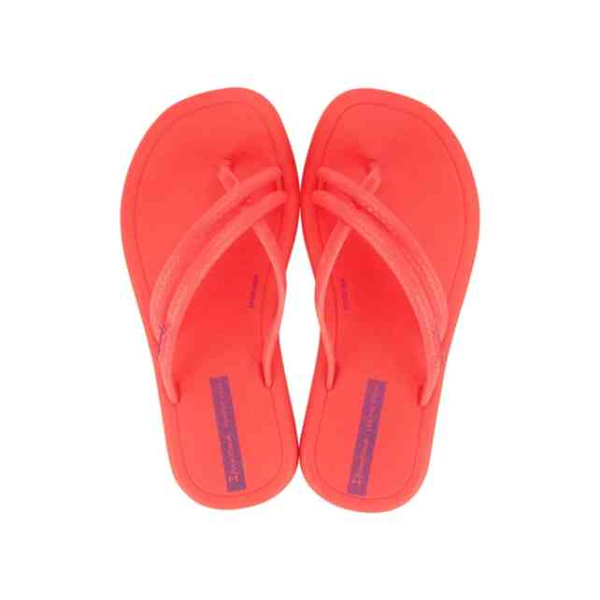 | 27134-AV935 | IPANEMA MEU SOL RAST | 1-1-2-2-3-3 | 12 | 3,329 Ft | 2,830 Ft | 7,990 Ft
 | 27134-AV935D | IPANEMA MEU SOL THON | 1-1-1-2-2-2-2-1 | 12 | 2,496 Ft | 2,122 Ft | 5,990 Ft
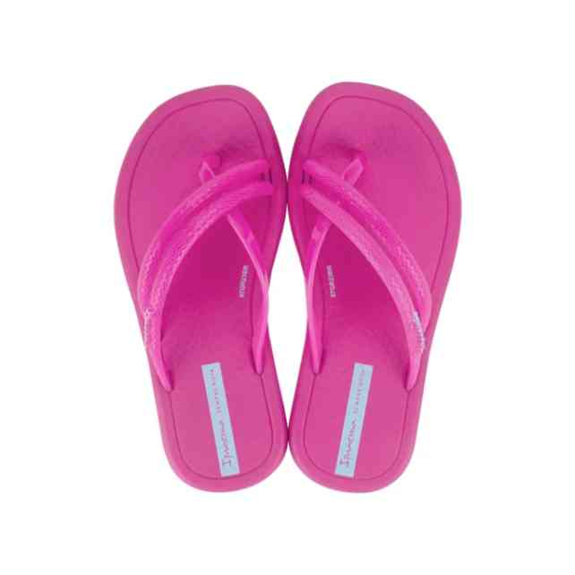 | 27134-AV936 | IPANEMA MEU SOL RAST | 1-1-2-2-3-3 | 12 | 3,329 Ft | 2,830 Ft | 7,990 Ft
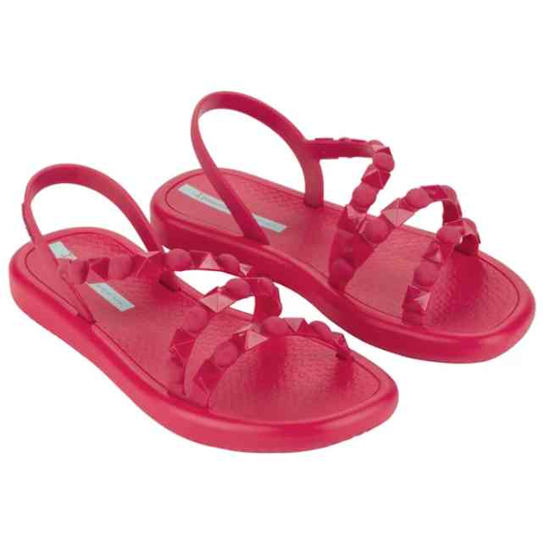 | 27148-AV839 | IPANEMA MEU SOL FLAT | 2-3-3-2-2 | 209 | 4,996 Ft | 4,247 Ft | 11,990 Ft
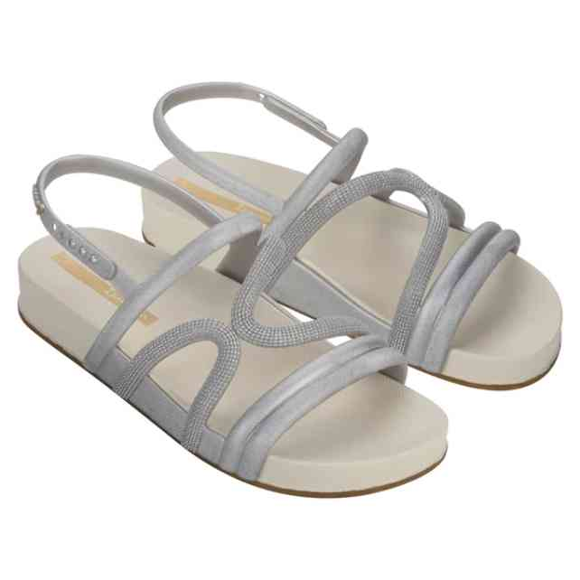 | 27211-BF982A | IPANEMA WALK | 1-2-3-3-2-1 | 12 | 4,579 Ft | 3,892 Ft | 10,990 Ft
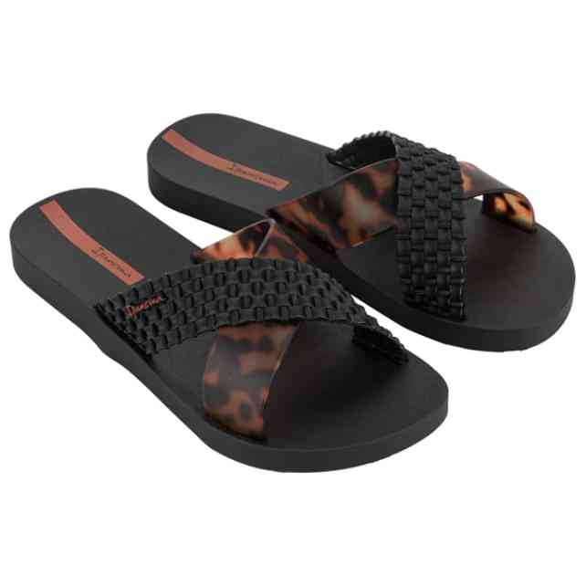 | 27214-BC402 | IPANEMA SENSE SLIDE | 2-3-3-3-1 | 49 | 4,996 Ft | 4,247 Ft | 11,990 Ft
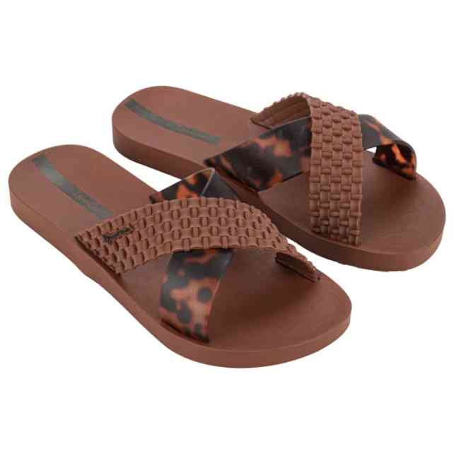 | 27214-BD334 | IPANEMA SENSE SLIDE | 2-3-3-3-1 | 12 | 4,996 Ft | 4,247 Ft | 11,990 Ft
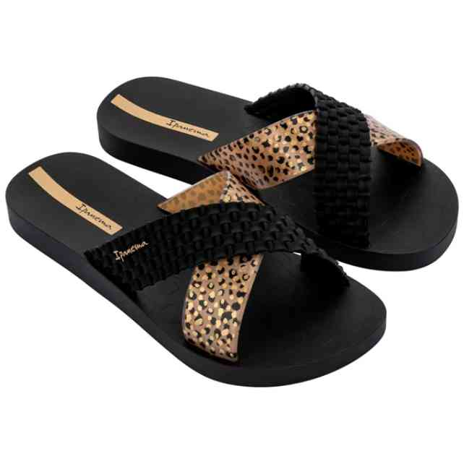 | 27214-BP205 | IPANEMA SENSE SLIDE | 2-3-3-3-1 | 24 | 4,163 Ft | 3,539 Ft | 9,990 Ft
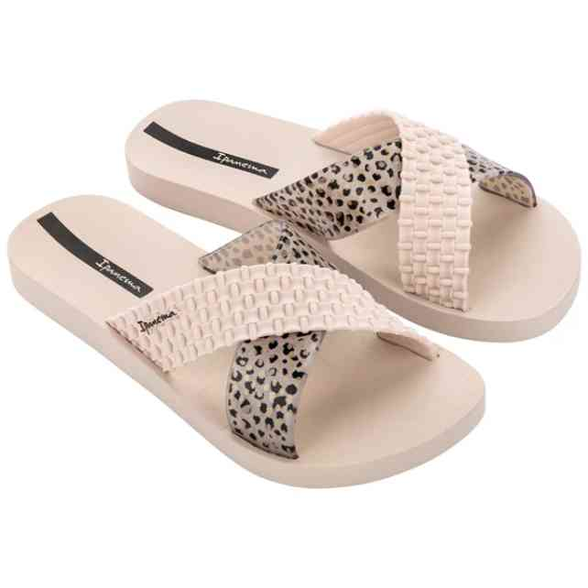 | 27214-BP206 | IPANEMA SENSE SLIDE | 2-3-3-3-1 | 12 | 4,163 Ft | 3,539 Ft | 9,990 Ft
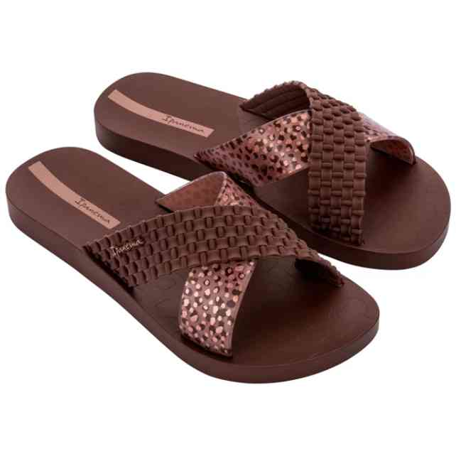 | 27214-BP207 | IPANEMA SENSE SLIDE | 2-3-3-3-1 | 36 | 4,163 Ft | 3,539 Ft | 9,990 Ft
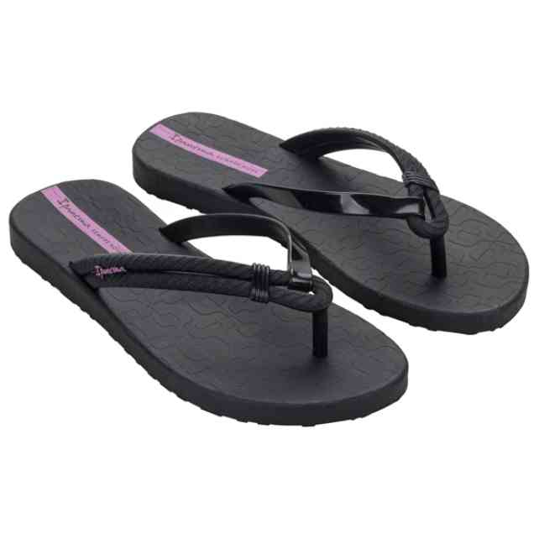 | 27230-BG781 | IPANEMA DIVERSA AD | 2-2-3-3-2 | 80 | 3,329 Ft | 2,830 Ft | 7,990 Ft
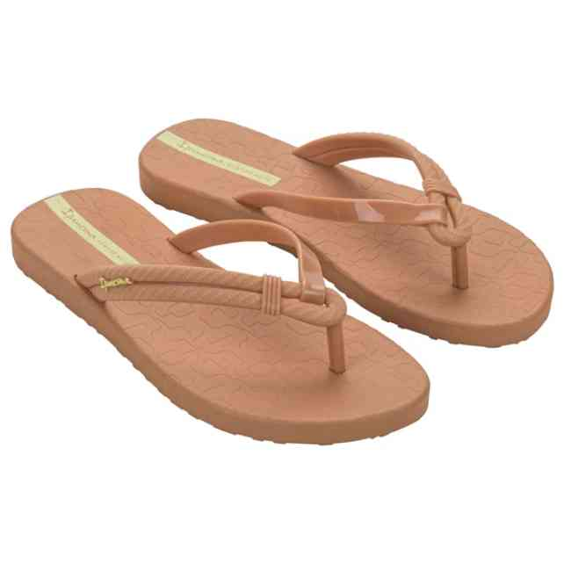 | 27230-BG782 | IPANEMA DIVERSA AD | 2-2-3-3-2 | 19 | 3,329 Ft | 2,830 Ft | 7,990 Ft
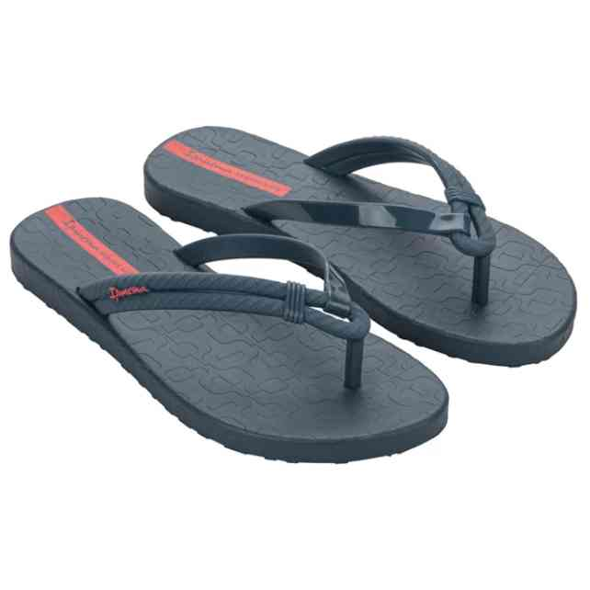 | 27230-BG783 | IPANEMA DIVERSA AD | 2-2-3-3-2 | 12 | 3,329 Ft | 2,830 Ft | 7,990 Ft
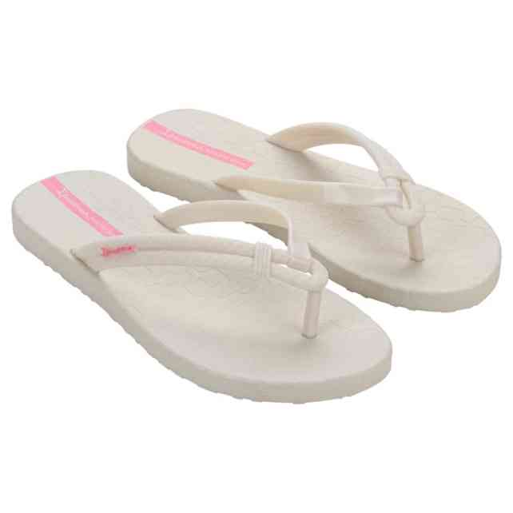 | 27230-BG784 | IPANEMA DIVERSA AD | 2-2-3-3-2 | 24 | 3,329 Ft | 2,830 Ft | 7,990 Ft
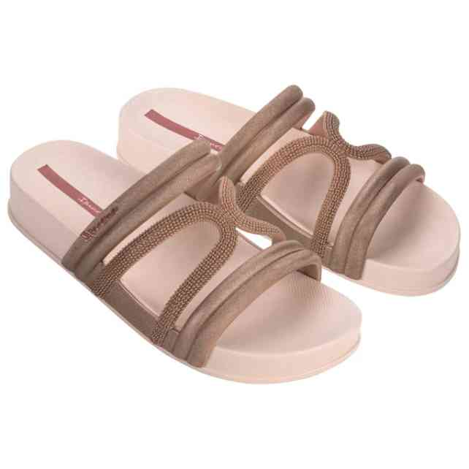 | 27262-BG086 | IPANEMA WALK SLIDE F | 2-3-3-3-1 | 172 | 5,413 Ft | 4,601 Ft | 12,990 Ft
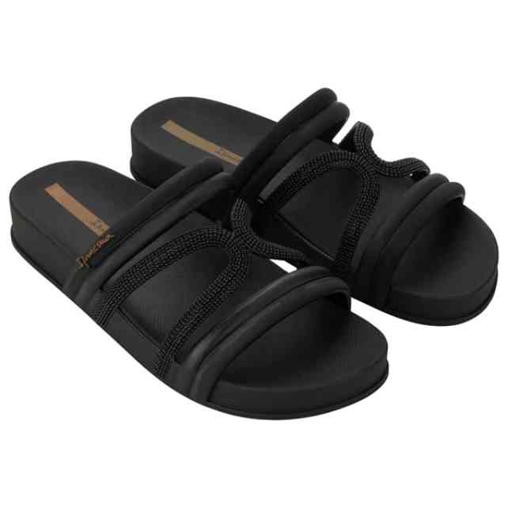 | 27262-BG087 | IPANEMA WALK SLIDE F | 2-3-3-3-1 | 140 | 5,413 Ft | 4,601 Ft | 12,990 Ft
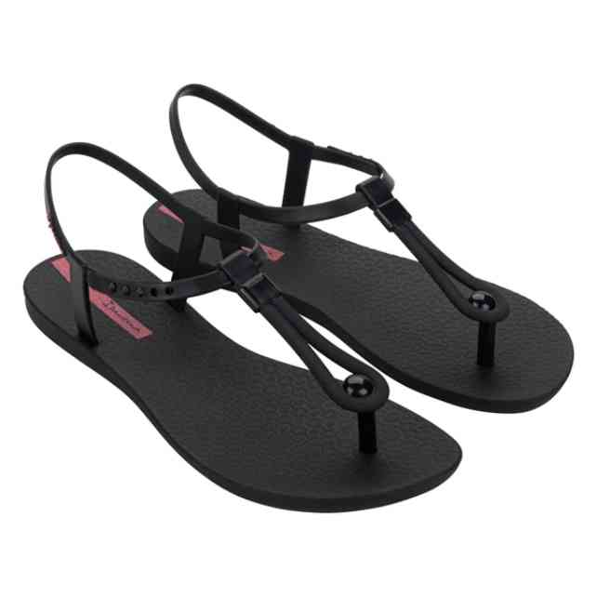 | 27268-BF476 | IPANEMA CLASS SLIM F | 1-3-4-3-1 | 12 | 3,329 Ft | 2,830 Ft | 7,990 Ft
 | 27268-BF481 | IPANEMA CLASS SLIM F | 1-3-4-3-1 | 36 | 3,329 Ft | 2,830 Ft | 7,990 Ft
 | 27268-BJ423 | IPANEMA CLASS SLIM F | 1-3-4-3-1 | 24 | 3,329 Ft | 2,830 Ft | 7,990 Ft
 | 27268-BJ427 | IPANEMA CLASS SLIM F | 1-3-4-3-1 | 48 | 3,329 Ft | 2,830 Ft | 7,990 Ft
 | 27288-BB967A | IPANEMA SOLAR GLOW | 1-2-3-3-2-1 | 108 | 4,579 Ft | 3,892 Ft | 10,990 Ft
 | 27299-BD942 | IPANEMA CLASS EASY O | 2-2-3-3-2 | 36 | 3,746 Ft | 3,184 Ft | 8,990 Ft
 | 27299-BN198 | IPANEMA CLASS EASY O | 2-2-3-3-2 | 12 | 3,746 Ft | 3,184 Ft | 8,990 Ft
 | 27299-BN198W | IPANEMA CLASS EASY O | 1-1-2-1-1 | 6 | 3,746 Ft | 3,184 Ft | 8,990 Ft
 | 27314-BI546 | IPANEMA RIO | 2-2-3-3-2 | 11 | 4,996 Ft | 4,247 Ft | 11,990 Ft
 | 27314-BI546W | IPANEMA RIO | 1-1-2-1-1 | 12 | 4,996 Ft | 4,247 Ft | 11,990 Ft
 | 27314-BM301 | IPANEMA RIO | 2-2-3-3-2 | 35 | 4,996 Ft | 4,247 Ft | 11,990 Ft
 | 27314-BP079 | IPANEMA RIO | 2-2-3-3-2 | 36 | 4,996 Ft | 4,247 Ft | 11,990 Ft
 | 27314-BP080 | IPANEMA RIO | 2-2-3-3-2 | 35 | 4,996 Ft | 4,247 Ft | 11,990 Ft
 | 27314-BP080W | IPANEMA RIO | 1-1-2-1-1 | 12 | 4,996 Ft | 4,247 Ft | 11,990 Ft
 | 27321-BN040 | IPANEMA DAY FEM | 2-4-4-2 | 36 | 2,496 Ft | 2,122 Ft | 5,990 Ft
 | 27321-BQ188 | IPANEMA DAY FEM | 2-4-4-2 | 12 | 2,496 Ft | 2,122 Ft | 5,990 Ft
 | 27321-BQ188W | IPANEMA DAY FEM | 1-2-2-1 | 6 | 2,496 Ft | 2,122 Ft | 5,990 Ft
 | 27321-BQ189 | IPANEMA DAY FEM | 2-4-4-2 | 24 | 2,496 Ft | 2,122 Ft | 5,990 Ft
 | 27357-BN162 | IPANEMA ARTE AD | 1-3-3-3-1-1 | 58 | 4,579 Ft | 3,892 Ft | 10,990 Ft
 | 27357-BN163 | IPANEMA ARTE AD | 1-3-3-3-1-1 | 60 | 4,579 Ft | 3,892 Ft | 10,990 Ft
 | 27357-BN164 | IPANEMA ARTE AD | 1-3-3-3-1-1 | 25 | 4,579 Ft | 3,892 Ft | 10,990 Ft
 | 27357-BN165 | IPANEMA ARTE AD | 1-3-3-3-1-1 | 24 | 4,579 Ft | 3,892 Ft | 10,990 Ft
 | 27357-BO063 | IPANEMA ARTE AD | 1-3-3-3-1-1 | 24 | 4,579 Ft | 3,892 Ft | 10,990 Ft
 | 27398-BR745 | IPANEMA GLOW AD | 2-3-3-3-1 | 143 | 3,746 Ft | 3,184 Ft | 8,990 Ft
 | 27398-BR745W | IPANEMA GLOW AD | 1-1-2-1-1 | 6 | 3,746 Ft | 3,184 Ft | 8,990 Ft
 | 27398-BR746 | IPANEMA GLOW AD | 2-3-3-3-1 | 36 | 3,746 Ft | 3,184 Ft | 8,990 Ft
 | 27398-BR747 | IPANEMA GLOW AD | 2-3-3-3-1 | 36 | 3,746 Ft | 3,184 Ft | 8,990 Ft
 | 27400-BR774 | IPANEMA GLOW SLIDE A | 2-3-3-3-1 | 36 | 4,163 Ft | 3,539 Ft | 9,990 Ft
 | 27400-BR775 | IPANEMA GLOW SLIDE A | 2-3-3-3-1 | 71 | 4,163 Ft | 3,539 Ft | 9,990 Ft
 | 27400-BR777 | IPANEMA GLOW SLIDE A | 2-3-3-3-1 | 60 | 4,163 Ft | 3,539 Ft | 9,990 Ft
 | 27400-BR780 | IPANEMA GLOW SLIDE A | 2-3-3-3-1 | 12 | 4,163 Ft | 3,539 Ft | 9,990 Ft
 | 27402-BR730 | IPANEMA GLOW SAND AD | 2-3-3-3-1 | 94 | 4,579 Ft | 3,892 Ft | 10,990 Ft
 | 27402-BR731 | IPANEMA GLOW SAND AD | 2-3-3-3-1 | 24 | 4,579 Ft | 3,892 Ft | 10,990 Ft
 | 27402-BR734 | IPANEMA GLOW SAND AD | 2-3-3-3-1 | 24 | 4,579 Ft | 3,892 Ft | 10,990 Ft
 | 27419-BR843 | IPANEMA GLOW TRENDY | 2-3-3-3-1 | 59 | 4,579 Ft | 3,892 Ft | 10,990 Ft
 | 27419-BR846 | IPANEMA GLOW TRENDY | 2-3-3-3-1 | 60 | 4,579 Ft | 3,892 Ft | 10,990 Ft
 | 27419-BR846W | IPANEMA GLOW TRENDY | 1-1-2-1-1 | 12 | 4,579 Ft | 3,892 Ft | 10,990 Ft
 | 27419-BR847 | IPANEMA GLOW TRENDY | 2-3-3-3-1 | 84 | 4,579 Ft | 3,892 Ft | 10,990 Ft
 | 27419-BR847W | IPANEMA GLOW TRENDY | 1-1-2-1-1 | 6 | 4,579 Ft | 3,892 Ft | 10,990 Ft
 | 27419-BT681 | IPANEMA GLOW TRENDY | 2-3-3-3-1 | 60 | 4,579 Ft | 3,892 Ft | 10,990 Ft
 | 27419-BT682 | IPANEMA GLOW TRENDY | 2-3-3-3-1 | 36 | 4,579 Ft | 3,892 Ft | 10,990 Ft
 | 27421-BR850 | IPANEMA GLOW TRENDY | 2-3-3-3-1 | 24 | 4,996 Ft | 4,247 Ft | 11,990 Ft
 | 27421-BR852 | IPANEMA GLOW TRENDY | 2-3-3-3-1 | 60 | 4,996 Ft | 4,247 Ft | 11,990 Ft
 | 27421-BR853 | IPANEMA GLOW TRENDY | 2-3-3-3-1 | 60 | 4,996 Ft | 4,247 Ft | 11,990 Ft
 | 27421-BT684 | IPANEMA GLOW TRENDY | 2-3-3-3-1 | 36 | 4,996 Ft | 4,247 Ft | 11,990 Ft
 | 27423-BR832 | IPANEMA GLOW TRENDY | 2-3-3-3-1 | 47 | 5,413 Ft | 4,601 Ft | 12,990 Ft
 | 27423-BR833 | IPANEMA GLOW TRENDY | 2-3-3-3-1 | 36 | 5,413 Ft | 4,601 Ft | 12,990 Ft
 | 27423-BR835 | IPANEMA GLOW TRENDY | 2-3-3-3-1 | 36 | 5,413 Ft | 4,601 Ft | 12,990 Ft
 | 27423-BT700 | IPANEMA GLOW TRENDY | 2-3-3-3-1 | 12 | 5,413 Ft | 4,601 Ft | 12,990 Ft
 | 27423-BT701 | IPANEMA GLOW TRENDY | 2-3-3-3-1 | 12 | 5,413 Ft | 4,601 Ft | 12,990 Ft
 | 80408-20352N | IPANEMA CLAS BRASIL | 2-4-4-2 | 36 | 3,329 Ft | 2,830 Ft | 7,990 Ft
 | 80408-20502N | IPANEMA CLAS BRASIL | 2-4-4-2 | 36 | 3,329 Ft | 2,830 Ft | 7,990 Ft
 | 80408-21119N | IPANEMA CLAS BRASIL | 2-4-4-2 | 72 | 3,329 Ft | 2,830 Ft | 7,990 Ft
 | 80408-AI769 | IPANEMA CLAS BRASIL | 2-4-4-2 | 12 | 3,329 Ft | 2,830 Ft | 7,990 Ft
 | 80408-AR829 | IPANEMA CLAS BRASIL | 2-4-4-2 | 24 | 3,329 Ft | 2,830 Ft | 7,990 Ft
 | 80408-BB595 | IPANEMA CLAS BRASIL | 2-4-4-2 | 24 | 3,329 Ft | 2,830 Ft | 7,990 Ft
 | 80408-BO523 | IPANEMA CLAS BRASIL | 2-4-4-2 | 47 | 3,329 Ft | 2,830 Ft | 7,990 Ft
 | 80408-BO526 | IPANEMA CLAS BRASIL | 2-4-4-2 | 96 | 3,329 Ft | 2,830 Ft | 7,990 Ft
 | 80415-20770 | IPANEMA CLAS BRASIL | 1-3-5-2-1 | 36 | 3,329 Ft | 2,830 Ft | 7,990 Ft
 | 80415-20770W | IPANEMA CLAS BRASIL | 1-1-2-1-1 | 6 | 3,329 Ft | 2,830 Ft | 7,990 Ft
 | 80415-22117 | IPANEMA CLAS BRASIL | 1-3-5-2-1 | 48 | 3,329 Ft | 2,830 Ft | 7,990 Ft
 | 80415-22413 | IPANEMA CLAS BRASIL | 1-3-5-2-1 | 47 | 3,329 Ft | 2,830 Ft | 7,990 Ft
 | 80415-22531 | IPANEMA CLAS BRASIL | 1-3-5-2-1 | 23 | 3,329 Ft | 2,830 Ft | 7,990 Ft
 | 80415-24189 | IPANEMA CLAS BRASIL | 1-3-5-2-1 | 60 | 3,329 Ft | 2,830 Ft | 7,990 Ft
 | 80415-24189W | IPANEMA CLAS BRASIL | 1-1-2-1-1 | 12 | 3,329 Ft | 2,830 Ft | 7,990 Ft
 | 80415-25601 | IPANEMA CLAS BRASIL | 1-3-5-2-1 | 24 | 3,329 Ft | 2,830 Ft | 7,990 Ft
 | 80415-AI936 | IPANEMA CLAS BRASIL | 1-3-5-2-1 | 23 | 3,329 Ft | 2,830 Ft | 7,990 Ft
 | 80415-AI936W | IPANEMA CLAS BRASIL | 1-1-2-1-1 | 6 | 3,329 Ft | 2,830 Ft | 7,990 Ft
 | 80415-AR769 | IPANEMA CLAS BRASIL | 1-3-5-2-1 | 24 | 3,329 Ft | 2,830 Ft | 7,990 Ft
 | 80415-BO493 | IPANEMA CLAS BRASIL | 1-3-5-2-1 | 48 | 3,329 Ft | 2,830 Ft | 7,990 Ft
 | 80415-BO493W | IPANEMA CLAS BRASIL | 1-1-2-1-1 | 6 | 3,329 Ft | 2,830 Ft | 7,990 Ft
 | 80415-BO497 | IPANEMA CLAS BRASIL | 1-3-5-2-1 | 36 | 3,329 Ft | 2,830 Ft | 7,990 Ft
 | 81030-BB622 | IPANEMA ANATOMICA TA | 2-3-3-3-1 | 12 | 3,329 Ft | 2,830 Ft | 7,990 Ft
 | 81030-BB624 | IPANEMA ANATOMICA TA | 2-3-3-3-1 | 12 | 3,329 Ft | 2,830 Ft | 7,990 Ft
 | 81030-BO354 | IPANEMA ANATOMICA TA | 2-2-3-3-2 | 12 | 2,913 Ft | 2,476 Ft | 6,990 Ft
 | 81030-BO356 | IPANEMA ANATOMICA TA | 2-2-3-3-2 | 24 | 2,913 Ft | 2,476 Ft | 6,990 Ft
 | 81030-BO359 | IPANEMA ANATOMICA TA | 2-2-3-3-2 | 24 | 2,913 Ft | 2,476 Ft | 6,990 Ft
 | 81046-23727A | IPANEMA BRAZIL BICOL | 2-3-3-3-1 | 48 | 2,913 Ft | 2,476 Ft | 6,990 Ft
 | 81805-AT156 | IPANEMA KIREI FEM | 2-3-3-2-2 | 12 | 3,329 Ft | 2,830 Ft | 7,990 Ft
 | 81805-AT157 | IPANEMA KIREI FEM | 2-3-3-2-2 | 120 | 3,329 Ft | 2,830 Ft | 7,990 Ft
 | 81805-BO411 | IPANEMA KIREI FEM | 2-3-3-2-2 | 119 | 3,329 Ft | 2,830 Ft | 7,990 Ft
 | 81805-BO412 | IPANEMA KIREI FEM | 2-3-3-2-2 | 84 | 3,329 Ft | 2,830 Ft | 7,990 Ft
 | 81805-BO412W | IPANEMA KIREI FEM | 1-1-2-1-1 | 6 | 3,329 Ft | 2,830 Ft | 7,990 Ft
 | 81805-BO417 | IPANEMA KIREI FEM | 2-3-3-2-2 | 60 | 3,329 Ft | 2,830 Ft | 7,990 Ft
 | 81805-BO417W | IPANEMA KIREI FEM | 1-1-2-1-1 | 6 | 3,329 Ft | 2,830 Ft | 7,990 Ft
 | 81805-BO418 | IPANEMA KIREI FEM | 2-3-3-2-2 | 108 | 3,329 Ft | 2,830 Ft | 7,990 Ft
 | 81997-22460 | IPANEMA MY FIRST IPA | 2-3-3-3-1 | 59 | 3,746 Ft | 3,184 Ft | 8,990 Ft
 | 81997-25854 | IPANEMA MY FIRST IPA | 2-3-3-3-1 | 168 | 3,746 Ft | 3,184 Ft | 8,990 Ft
 | 81997-BC815 | MY FIRST IPANEMA BAB | 2-3-3-3-1 | 24 | 3,329 Ft | 2,830 Ft | 7,990 Ft
 | 81997-BC818 | MY FIRST IPANEMA BAB | 2-3-3-3-1 | 48 | 3,329 Ft | 2,830 Ft | 7,990 Ft
 | 82429-23975C | IPANEMA VIBE SANDAL | 1-3-4-3-1 | 168 | 4,996 Ft | 4,247 Ft | 11,990 Ft
 | 82429-25971 | IPANEMA VIBE SANDAL | 1-2-3-3-2-1 | 24 | 4,996 Ft | 4,247 Ft | 11,990 Ft
 | 82429-AJ080N | IPANEMA VIBE SANDAL | 2-3-3-2-2 | 12 | 5,829 Ft | 4,955 Ft | 13,990 Ft
 | 82429-AS180 | IPANEMA VIBE SANDAL | 2-3-3-2-2 | 12 | 5,829 Ft | 4,955 Ft | 13,990 Ft
 | 82429-BD399 | IPANEMA VIBE SANDAL | 2-3-3-2-2 | 40 | 6,246 Ft | 5,309 Ft | 14,990 Ft
 | 82429-BD418 | IPANEMA VIBE SANDAL | 2-3-3-2-2 | 142 | 6,246 Ft | 5,309 Ft | 14,990 Ft
 | 82591-24956N | IPANEMA ANAT COLORS | 1-3-3-3-2 | 12 | 2,913 Ft | 2,476 Ft | 6,990 Ft
 | 82591-AG368N | IPANEMA ANAT COLORS | 1-3-3-3-2 | 24 | 2,913 Ft | 2,476 Ft | 6,990 Ft
 | 82591-BD661 | IPANEMA ANAT COLORS | 1-3-3-3-2 | 23 | 2,913 Ft | 2,476 Ft | 6,990 Ft
 | 82591-BD661W | IPANEMA ANAT COLORS | 1-1-2-1-1 | 6 | 2,913 Ft | 2,476 Ft | 6,990 Ft
 | 82591-BD664A | IPANEMA ANATOMIC COL | 1-2-3-3-2-1 | 96 | 3,329 Ft | 2,830 Ft | 7,990 Ft
 | 82591-BD673 | IPANEMA ANAT COLORS | 1-3-3-3-2 | 24 | 2,913 Ft | 2,476 Ft | 6,990 Ft
 | 82591-BO328 | IPANEMA ANAT COLORS | 1-3-3-3-2 | 24 | 2,913 Ft | 2,476 Ft | 6,990 Ft
 | 82591-BO335 | IPANEMA ANAT COLORS | 1-3-3-3-2 | 12 | 2,913 Ft | 2,476 Ft | 6,990 Ft
 | 82598-20697 | IPANEMA MAXI FASHION | 1-2-3-4-2 | 36 | 4,163 Ft | 3,539 Ft | 9,990 Ft
 | 82598-20728 | IPANEMA MAXI FASHION | 1-2-3-4-2 | 23 | 4,163 Ft | 3,539 Ft | 9,990 Ft
 | 82598-20819 | IPANEMA MAXI FASHION | 1-2-3-4-2 | 47 | 4,163 Ft | 3,539 Ft | 9,990 Ft
 | 82629-AJ241 | IPANEMA ANATOMIC LAP | 1-2-3-3-2-1 | 36 | 4,163 Ft | 3,539 Ft | 9,990 Ft
 | 82629-BC562 | IPANEMA ANATOMIC LAP | 1-2-3-3-2-1 | 60 | 4,163 Ft | 3,539 Ft | 9,990 Ft
 | 82629-BC563 | IPANEMA ANATOMIC LAP | 1-2-3-3-2-1 | 60 | 4,163 Ft | 3,539 Ft | 9,990 Ft
 | 82629-BC567 | IPANEMA ANATOMIC LAP | 1-2-3-3-2-1 | 48 | 4,163 Ft | 3,539 Ft | 9,990 Ft
 | 82675-50521A | IPANEMA PREMIUM CONC | 1-2-3-3-2-1 | 84 | 4,163 Ft | 3,539 Ft | 9,990 Ft
 | 82675-50528A | IPANEMA PREMIUM CONC | 1-2-3-3-2-1 | 84 | 4,163 Ft | 3,539 Ft | 9,990 Ft
 | 82760-21720C | IPANEMA CHARM VII SA | 1-3-4-3-1 | 84 | 3,746 Ft | 3,184 Ft | 8,990 Ft
 | 82832-BC572 | IPANEMA SLIDE UNISEX | 1-2-3-3-2-1 | 12 | 4,996 Ft | 4,247 Ft | 11,990 Ft
 | 82840-AQ441 | IPANEMA BOSSA SOFT V | 1-2-3-4-2 | 12 | 4,163 Ft | 3,539 Ft | 9,990 Ft
 | 82840-BB559 | IPANEMA BOSSA SOFT V | 1-2-3-4-2 | 24 | 4,163 Ft | 3,539 Ft | 9,990 Ft
 | 82840-BB560 | IPANEMA BOSSA SOFT V | 1-2-3-4-2 | 12 | 4,163 Ft | 3,539 Ft | 9,990 Ft
 | 82840-BB563 | IPANEMA BOSSA SOFT V | 1-2-3-4-2 | 12 | 4,163 Ft | 3,539 Ft | 9,990 Ft
 | 82840-BL496 | IPANEMA BOSSA SOFT V | 1-2-3-3-2-1 | 60 | 3,746 Ft | 3,184 Ft | 8,990 Ft
 | 82840-BL508 | IPANEMA BOSSA SOFT V | 1-2-3-3-2-1 | 60 | 3,746 Ft | 3,184 Ft | 8,990 Ft
 | 82840-BM635 | IPANEMA BOSSA SOFT V | 1-2-3-3-2-1 | 72 | 3,746 Ft | 3,184 Ft | 8,990 Ft
 | 82840-BN009 | IPANEMA BOSSA SOFT V | 1-2-3-3-2-1 | 24 | 3,746 Ft | 3,184 Ft | 8,990 Ft
 | 82840-BN010 | IPANEMA BOSSA SOFT V | 1-2-3-3-2-1 | 36 | 3,746 Ft | 3,184 Ft | 8,990 Ft
 | 82840-BN011 | IPANEMA BOSSA SOFT V | 1-2-3-3-2-1 | 60 | 3,746 Ft | 3,184 Ft | 8,990 Ft
 | 82842-21112 | IPANEMA FASHION SAND | 2-3-3-3-1 | 49 | 4,996 Ft | 4,247 Ft | 11,990 Ft
 | 82842-AR640 | IPANEMA FASHION SAND | 2-3-3-3-1 | 56 | 4,579 Ft | 3,892 Ft | 10,990 Ft
 | 82842-BD407 | IPANEMA FASHION SAND | 2-3-3-3-1 | 12 | 5,413 Ft | 4,601 Ft | 12,990 Ft
 | 82842-BL727 | IPANEMA FASHION SAND | 2-3-3-3-1 | 48 | 4,996 Ft | 4,247 Ft | 11,990 Ft
 | 82842-BL728 | IPANEMA FASHION SAND | 2-3-3-3-1 | 24 | 4,996 Ft | 4,247 Ft | 11,990 Ft
 | 82842-BL730 | IPANEMA FASHION SAND | 2-3-3-3-1 | 60 | 4,996 Ft | 4,247 Ft | 11,990 Ft
 | 82842-BL732 | IPANEMA FASHION SAND | 2-3-3-3-1 | 24 | 4,996 Ft | 4,247 Ft | 11,990 Ft
 | 82842-BN746W | IPANEMA FASHION SAND | 1-1-2-1-1 | 6 | 4,996 Ft | 4,247 Ft | 11,990 Ft
 | 82855-20197 | IPANEMA BREEZY A SAN | 1-2-3-3-2-1 | 48 | 4,163 Ft | 3,539 Ft | 9,990 Ft
 | 82855-20197C | IPANEMA BREEZY SANDA | 1-3-4-3-1 | 120 | 4,163 Ft | 3,539 Ft | 9,990 Ft
 | 82855-24826 | IPANEMA BREEZY SANDA | 1-2-3-3-2-1 | 120 | 4,163 Ft | 3,539 Ft | 9,990 Ft
 | 82855-24826B | IPANEMA BREEZY SANDA | 2-2-2-2-2-2 | 108 | 4,163 Ft | 3,539 Ft | 9,990 Ft
 | 82855-24826C | IPANEMA BREEZY SANDA | 1-3-4-3-1 | 24 | 4,163 Ft | 3,539 Ft | 9,990 Ft
 | 82855-AJ032B | IPANEMA BREEZY SANDA | 2-2-2-2-2-2 | 24 | 4,163 Ft | 3,539 Ft | 9,990 Ft
 | 82883-25545 | IPANEMA CLASSIC IX K | 2-2-2-3-3 | 24 | 2,496 Ft | 2,122 Ft | 5,990 Ft
 | 82927-21683 | IPANEMA BARBIE KIDS | 2-2-2-3-3 | 23 | 2,913 Ft | 2,476 Ft | 6,990 Ft
 | 82931-20729 | IPANEMA CLASS WISH I | 2-2-2-2-2-2 | 24 | 3,746 Ft | 3,184 Ft | 8,990 Ft
 | 82932-AR853 | IPANEMA ANAT BRASILI | 2-2-3-3-2 | 12 | 4,163 Ft | 3,539 Ft | 9,990 Ft
 | 83081-23525 | IPANEMA TEMAS IX KID | 2-2-2-3-3 | 12 | 2,496 Ft | 2,122 Ft | 5,990 Ft
 | 83140-20354 | IPANEMA ANAT LOLITA | 2-3-3-2-2 | 36 | 4,163 Ft | 3,539 Ft | 9,990 Ft
 | 83140-20780N | IPANEMA ANAT LOLITA | 2-3-3-2-2 | 72 | 4,163 Ft | 3,539 Ft | 9,990 Ft
 | 83140-AQ644 | IPANEMA ANAT LOLITA | 2-3-3-2-2 | 23 | 4,163 Ft | 3,539 Ft | 9,990 Ft
 | 83140-BP688 | IPANEMA ANAT LOLITA | 2-3-3-2-2 | 72 | 4,163 Ft | 3,539 Ft | 9,990 Ft
 | 83140-BP691 | IPANEMA ANAT LOLITA | 2-3-3-2-2 | 12 | 4,163 Ft | 3,539 Ft | 9,990 Ft
 | 83144-01003 | IPANEMA SUMMER F BAG |  | 5 | 8,329 Ft | 7,080 Ft | 19,990 Ft
 | 83144-01369 | IPANEMA SUMMER F BAG |  | 8 | 8,329 Ft | 7,080 Ft | 19,990 Ft
 | 83144-AG052 | IPANEMA SUMMER F BAG |  | 12 | 8,329 Ft | 7,080 Ft | 19,990 Ft
 | 83177-20197 | IPANEMA MESH IV KIDS | 1-1-2-2-3-3 | 12 | 3,329 Ft | 2,830 Ft | 7,990 Ft
 | 83177-20354 | IPANEMA MESH IV KIDS | 1-1-2-2-3-3 | 24 | 3,329 Ft | 2,830 Ft | 7,990 Ft
 | 83177-20766 | IPANEMA MESH IV KIDS | 1-1-2-2-3-3 | 24 | 3,329 Ft | 2,830 Ft | 7,990 Ft
 | 83180-20492 | IPANEMA FASHION SAND | 1-1-1-1-2-2-2-2 | 36 | 4,163 Ft | 3,539 Ft | 9,990 Ft
 | 83183-21488 | IPANEMA CLASS CHARM | 2-2-2-2-2-2 | 12 | 3,746 Ft | 3,184 Ft | 8,990 Ft
 | 83183-23249 | IPANEMA CLASS CHARM | 1-2-3-3-2-1 | 24 | 3,746 Ft | 3,184 Ft | 8,990 Ft
 | 83201-20197 | IPANEMA CLASS WISH K | 1-1-3-3-2-2 | 12 | 4,579 Ft | 3,892 Ft | 10,990 Ft
 | 83203-24080 | IPANEMA CLASS CHARM | 3-3-3-3 | 12 | 4,163 Ft | 3,539 Ft | 9,990 Ft
 | 83204-20880 | IPANEMA CLASS GLOW K | 1-2-3-4-2 | 72 | 4,579 Ft | 3,892 Ft | 10,990 Ft
 | 83204-21720 | IPANEMA CLASS GLOW K | 1-2-3-4-2 | 23 | 4,579 Ft | 3,892 Ft | 10,990 Ft
 | 83204-24021 | IPANEMA CLASS GLOW K | 1-2-3-4-2 | 71 | 4,579 Ft | 3,892 Ft | 10,990 Ft
 | 83231-23495 | IPANEMA UNISEX SLIDE | 2-2-2-2-2-2 | 12 | 4,163 Ft | 3,539 Ft | 9,990 Ft
 | 83243-22309 | IPANEMA RENDA II FEM | 1-2-3-3-2-1 | 48 | 3,746 Ft | 3,184 Ft | 8,990 Ft
 | 83243-BC847 | IPANEMA RENDA II FEM | 2-3-3-2-2 | 12 | 4,163 Ft | 3,539 Ft | 9,990 Ft
 | 83243-BO744 | IPANEMA RENDA II FEM | 2-3-3-2-2 | 24 | 4,163 Ft | 3,539 Ft | 9,990 Ft
 | 83244-AJ326 | IPANEMA STREET II FE | 2-3-3-3-1 | 16 | 4,163 Ft | 3,539 Ft | 9,990 Ft
 | 83244-BO286 | IPANEMA STREET II FE | 2-3-3-3-1 | 18 | 4,163 Ft | 3,539 Ft | 9,990 Ft
 | 83244-BO288 | IPANEMA STREET II FE | 2-3-3-3-1 | 12 | 4,163 Ft | 3,539 Ft | 9,990 Ft
 | 83244-BO289 | IPANEMA STREET II FE | 2-3-3-3-1 | 36 | 4,163 Ft | 3,539 Ft | 9,990 Ft
 | 83244-BO290 | IPANEMA STREET II FE | 2-3-3-3-1 | 12 | 4,163 Ft | 3,539 Ft | 9,990 Ft
 | 83325-AI823 | IPANEMA ANAT NATURE | 1-2-3-3-2-1 | 16 | 3,746 Ft | 3,184 Ft | 8,990 Ft
 | 83347-AJ482 | IPANEMA CLASSIC XI K | 1-2-2-2-2-2-1 | 12 | 2,913 Ft | 2,476 Ft | 6,990 Ft
 | 83347-AJ484 | IPANEMA CLASSIC XI K | 1-2-2-2-2-2-1 | 24 | 2,913 Ft | 2,476 Ft | 6,990 Ft
 | 83347-AJ487 | IPANEMA CLASSIC XI K | 1-2-2-2-2-2-1 | 24 | 2,913 Ft | 2,476 Ft | 6,990 Ft
 | 83348-AI739 | IPANEMA TEMAS XI KID | 1-2-2-2-2-2-1 | 48 | 2,913 Ft | 2,476 Ft | 6,990 Ft
 | 83348-AI740 | IPANEMA TEMAS XI KID | 1-2-2-2-2-2-1 | 36 | 2,913 Ft | 2,476 Ft | 6,990 Ft
 | 83348-AI744 | IPANEMA TEMAS XI KID | 1-2-2-2-2-2-1 | 22 | 2,913 Ft | 2,476 Ft | 6,990 Ft
 | 83348-AI746 | IPANEMA TEMAS XI KID | 1-2-2-2-2-2-1 | 24 | 2,913 Ft | 2,476 Ft | 6,990 Ft
 | 83349-AH859 | IPANEMA URBAN IV SLI | 2-2-2-2-2-2 | 22 | 4,163 Ft | 3,539 Ft | 9,990 Ft
 | 83385-AJ184 | IPANEMA BOSSA SOFT C | 1-2-3-4-2 | 12 | 4,579 Ft | 3,892 Ft | 10,990 Ft
 | 83385-AJ188 | IPANEMA BOSSA SOFT C | 1-2-3-4-2 | 12 | 4,579 Ft | 3,892 Ft | 10,990 Ft
 | 83385-AJ190 | IPANEMA BOSSA SOFT C | 1-2-3-4-2 | 12 | 4,579 Ft | 3,892 Ft | 10,990 Ft
 | 83386-AJ496N | IPANEMA MESH CHIC PL | 1-2-3-3-2-1 | 23 | 5,413 Ft | 4,601 Ft | 12,990 Ft
 | 83386-BD738 | IPANEMA MESH CHIC PL | 1-2-3-3-2-1 | 12 | 6,246 Ft | 5,309 Ft | 14,990 Ft
 | 83386-BP611 | IPANEMA MESH CHIC PL | 1-2-3-3-2-1 | 24 | 5,413 Ft | 4,601 Ft | 12,990 Ft
 | 83386-BP611W | IPANEMA MESH CHIC PL | 1-1-1-1-1-1 | 6 | 5,413 Ft | 4,601 Ft | 12,990 Ft
 | 83415-AG932 | IPANEMA CLASS UNA FE | 2-2-3-3-2 | 3 | 4,996 Ft | 4,247 Ft | 11,990 Ft
 | 83468-AP100 | IPANEMA ANIMALE PRIN | 2-3-3-2-2 | 13 | 4,163 Ft | 3,539 Ft | 9,990 Ft
 | 83484-AR936 | IPANEMA TEMAS XIV KI | 2-2-2-2-2-2 | 24 | 2,913 Ft | 2,476 Ft | 6,990 Ft
 | 83484-AR937 | IPANEMA TEMAS XIV KI | 2-2-2-2-2-2 | 24 | 2,913 Ft | 2,476 Ft | 6,990 Ft
 | 83516-AQ819 | IPANEMA STYLE SANDAL | 2-3-3-2-2 | 130 | 5,413 Ft | 4,601 Ft | 12,990 Ft
 | 83516-AQ826 | IPANEMA STYLE SANDAL | 2-3-3-2-2 | 12 | 5,413 Ft | 4,601 Ft | 12,990 Ft
 | 83519-AQ707A | IPANEMA COMFY | 1-2-3-4-2 | 12 | 2,496 Ft | 2,122 Ft | 5,990 Ft
 | 83534-AS674W | IPANEMA FASHION SAND | 1-1-1-1-1-1 | 6 | 4,163 Ft | 3,539 Ft | 9,990 Ft
 | 83534-BL774 | IPANEMA FASHION SAND | 1-1-2-2-2-2-2 | 36 | 4,163 Ft | 3,539 Ft | 9,990 Ft
 | 83534-BL774W | IPANEMA FASHION SAND | 1-1-1-1-1-1 | 6 | 4,163 Ft | 3,539 Ft | 9,990 Ft
 | 83534-BN865 | IPANEMA FASHION SAND | 1-1-2-2-2-2-2 | 48 | 4,163 Ft | 3,539 Ft | 9,990 Ft
 | 83539-AR967 | IPANEMA CLASSICA HAP | 2-3-3-2-2 | 8 | 2,496 Ft | 2,122 Ft | 5,990 Ft
 | 83542-BO555 | IPANEMA VINTAGE AD | 1-2-3-3-2-1 | 12 | 5,413 Ft | 4,601 Ft | 12,990 Ft
 | 83542-BO557 | IPANEMA VINTAGE AD | 1-2-3-3-2-1 | 22 | 5,413 Ft | 4,601 Ft | 12,990 Ft
 | 83543-AQ993 | IPANEMA KIREI KIDS | 1-2-3-3-3 | 12 | 3,329 Ft | 2,830 Ft | 7,990 Ft
 | 83543-BO445 | IPANEMA KIREI KIDS | 1-2-3-3-3 | 24 | 2,496 Ft | 2,122 Ft | 5,990 Ft
 | 83543-BO445W | IPANEMA KIREI KIDS | 1-1-1-1-2 | 6 | 2,496 Ft | 2,122 Ft | 5,990 Ft
 | 83543-BO447 | IPANEMA KIREI KIDS | 1-2-3-3-3 | 60 | 2,496 Ft | 2,122 Ft | 5,990 Ft
 | 83543-BO447W | IPANEMA KIREI KIDS | 1-1-1-1-2 | 6 | 2,496 Ft | 2,122 Ft | 5,990 Ft
 | 83582-AW914 | IPANEMA CLASSIC HAPP | 2-3-3-2-2 | 21 | 2,913 Ft | 2,476 Ft | 6,990 Ft
 | 83582-AW917 | IPANEMA CLASSIC HAPP | 2-3-3-2-2 | 31 | 2,913 Ft | 2,476 Ft | 6,990 Ft
 | 83583-BE633 | IPANEMA ANAT CLASSIC | 2-3-3-2-2 | 24 | 3,746 Ft | 3,184 Ft | 8,990 Ft
 | 83583-BE635 | IPANEMA ANAT CLASSIC | 2-3-3-2-2 | 55 | 3,746 Ft | 3,184 Ft | 8,990 Ft
 | 83583-BO401 | IPANEMA ANAT CLASSIC | 2-3-3-2-2 | 12 | 3,746 Ft | 3,184 Ft | 8,990 Ft
 | 83583-BO402 | IPANEMA ANAT CLASSIC | 2-3-3-2-2 | 36 | 3,746 Ft | 3,184 Ft | 8,990 Ft
 | 83606-AW815A | IPANEMA MEU SOL SLID | 1-2-3-3-2-1 | 120 | 2,913 Ft | 2,476 Ft | 6,990 Ft
 | 83606-AW816A | IPANEMA MEU SOL SLID | 1-2-3-3-2-1 | 204 | 2,913 Ft | 2,476 Ft | 6,990 Ft
 | 83606-AW816D | IPANEMA MEU SOL SLID | 1-3-3-4-1 | 12 | 2,913 Ft | 2,476 Ft | 6,990 Ft
 | 83606-AW821A | IPANEMA MEU SOL SLID | 1-2-3-3-2-1 | 60 | 2,913 Ft | 2,476 Ft | 6,990 Ft
 | 83606-AW821B | IPANEMA MEU SOL SLID | 2-2-2-2-2-2 | 36 | 2,913 Ft | 2,476 Ft | 6,990 Ft
 | 83611-BD531 | IPANEMA ANAT TEMAS X | 2-3-3-3-1 | 48 | 3,746 Ft | 3,184 Ft | 8,990 Ft
 | 83611-BD533 | IPANEMA ANAT TEMAS X | 2-3-3-3-1 | 48 | 3,746 Ft | 3,184 Ft | 8,990 Ft
 | 83611-BD537 | IPANEMA ANAT TEMAS X | 2-3-3-3-1 | 12 | 3,746 Ft | 3,184 Ft | 8,990 Ft
 | 83614-AY566 | IPANEMA URBAN VI SLI | 2-2-3-3-2 | 36 | 4,163 Ft | 3,539 Ft | 9,990 Ft
 | 83614-AY571 | IPANEMA URBAN VI SLI | 2-2-3-3-2 | 48 | 4,163 Ft | 3,539 Ft | 9,990 Ft
 | 83614-AY575 | IPANEMA URBAN VI SLI | 2-2-3-3-2 | 48 | 4,163 Ft | 3,539 Ft | 9,990 Ft
 | 83614-BC871 | IPANEMA URBAN VI SLI | 2-2-3-3-2 | 36 | 4,163 Ft | 3,539 Ft | 9,990 Ft
 | 83614-BC872 | IPANEMA URBAN VI SLI | 2-2-3-3-2 | 36 | 4,163 Ft | 3,539 Ft | 9,990 Ft
 | 83615-BC943 | IPANEMA SUMMER XIV B | 1-3-3-3-1-1 | 23 | 4,996 Ft | 4,247 Ft | 11,990 Ft
 | 83617-AY379 | IPANEMA ANIMAL PRINT | 2-3-3-2-2 | 210 | 4,579 Ft | 3,892 Ft | 10,990 Ft
 | 83617-AY384 | IPANEMA ANIMAL PRINT | 2-3-3-2-2 | 12 | 4,579 Ft | 3,892 Ft | 10,990 Ft
 | 83619-BC884 | IPANEMA SUMMER XV BA | 1-3-3-3-1-1 | 36 | 5,413 Ft | 4,601 Ft | 12,990 Ft
 | 83621-AZ048 | IPANEMA CLASSIC XIII | 2-2-2-2-2-2 | 12 | 2,913 Ft | 2,476 Ft | 6,990 Ft
 | 83629-BC878 | IPANEMA URBAN THONG | 1-2-4-3-2 | 24 | 4,996 Ft | 4,247 Ft | 11,990 Ft
 | 83629-BC878N | IPANEMA URBAN THONG | 1-2-3-3-2-1 | 24 | 4,163 Ft | 3,539 Ft | 9,990 Ft
 | 83629-BC879N | IPANEMA URBAN THONG | 1-2-3-3-2-1 | 24 | 4,163 Ft | 3,539 Ft | 9,990 Ft
 | 83629-BC882 | IPANEMA URBAN THONG | 1-2-4-3-2 | 12 | 4,996 Ft | 4,247 Ft | 11,990 Ft
 | 83629-BO990 | IPANEMA URBAN THONG | 1-2-3-3-2-1 | 48 | 4,163 Ft | 3,539 Ft | 9,990 Ft
 | 83629-BO990W | IPANEMA URBAN THONG | 1-1-1-1-1-1 | 6 | 4,163 Ft | 3,539 Ft | 9,990 Ft
 | 83646-BO702 | IPANEMA HIGH FASHION | 2-3-4-2-1 | 83 | 8,329 Ft | 7,080 Ft | 19,990 Ft
 | 83646-BQ589 | IPANEMA HIGH FASHION | 2-3-4-2-1 | 81 | 8,329 Ft | 7,080 Ft | 19,990 Ft
 | 83646-BQ589W | IPANEMA HIGH FASHION | 1-1-2-1-1 | 6 | 8,329 Ft | 7,080 Ft | 19,990 Ft
 | 83648-AJ405 | IPANEMA ANAT CONNECT | 2-3-3-2-2 | 36 | 3,329 Ft | 2,830 Ft | 7,990 Ft
 | 83648-AJ406 | IPANEMA ANAT CONNECT | 2-3-3-2-2 | 24 | 3,329 Ft | 2,830 Ft | 7,990 Ft
 | 83648-AR100 | IPANEMA ANAT CONNECT | 2-3-3-2-2 | 83 | 3,329 Ft | 2,830 Ft | 7,990 Ft
 | 83648-BD707 | IPANEMA ANAT CONNECT | 2-3-3-2-2 | 12 | 3,329 Ft | 2,830 Ft | 7,990 Ft
 | 83648-BO839 | IPANEMA ANAT CONNECT | 2-3-3-2-2 | 12 | 3,329 Ft | 2,830 Ft | 7,990 Ft
 | 83648-BO853 | IPANEMA ANAT CONNECT | 2-3-3-2-2 | 12 | 3,329 Ft | 2,830 Ft | 7,990 Ft
 | 83648-BO854 | IPANEMA ANAT CONNECT | 2-3-3-2-2 | 12 | 3,329 Ft | 2,830 Ft | 7,990 Ft
 | 83648-BO856 | IPANEMA ANAT CONNECT | 2-3-3-2-2 | 144 | 3,329 Ft | 2,830 Ft | 7,990 Ft
 | 83648-BO857 | IPANEMA ANAT CONNECT | 2-3-3-2-2 | 108 | 3,329 Ft | 2,830 Ft | 7,990 Ft
 | 83648-BO858 | IPANEMA ANAT CONNECT | 2-3-3-2-2 | 108 | 3,329 Ft | 2,830 Ft | 7,990 Ft
 | 83648-BQ603 | IPANEMA ANAT CONNECT | 2-3-3-2-2 | 12 | 3,329 Ft | 2,830 Ft | 7,990 Ft
 | 83649-BB779 | IPANEMA MESH SLIDE F | 2-3-3-2-2 | 24 | 4,996 Ft | 4,247 Ft | 11,990 Ft
 | 83650-BD579 | IPANEMA ANAT NATURE | 2-3-3-2-2 | 12 | 3,746 Ft | 3,184 Ft | 8,990 Ft
 | 83652-BC681 | IPANEMA MAXI FASHION | 1-2-3-3-2-1 | 23 | 4,996 Ft | 4,247 Ft | 11,990 Ft
 | 83652-BO587 | IPANEMA MAXI FASHION | 1-2-3-3-2-1 | 84 | 4,996 Ft | 4,247 Ft | 11,990 Ft
 | 83652-BO588 | IPANEMA MAXI FASHION | 1-2-3-3-2-1 | 60 | 4,996 Ft | 4,247 Ft | 11,990 Ft
 | 83654-BC721A | IPANEMA SANDAL RIO | 1-2-3-3-2-1 | 60 | 6,246 Ft | 5,309 Ft | 14,990 Ft
 | 83654-BC721B | IPANEMA SANDAL RIO | 2-2-2-2-2-2 | 36 | 6,246 Ft | 5,309 Ft | 14,990 Ft
 | 83654-BC723A | IPANEMA SANDAL RIO | 1-2-3-3-2-1 | 60 | 6,246 Ft | 5,309 Ft | 14,990 Ft
 | 83654-BC723B | IPANEMA SANDAL RIO | 2-2-2-2-2-2 | 12 | 6,246 Ft | 5,309 Ft | 14,990 Ft
 | 83655-BD454 | IPANEMA CLASS BELT S | 1-3-3-3-2 | 24 | 5,413 Ft | 4,601 Ft | 12,990 Ft
 | 83656-BD172 | IPANEMA CLASS STYLIS | 1-2-3-3-2-1 | 8 | 5,413 Ft | 4,601 Ft | 12,990 Ft
 | 83656-BD179 | IPANEMA CLASS STYLIS | 1-2-3-3-2-1 | 239 | 5,413 Ft | 4,601 Ft | 12,990 Ft
 | 83656-BF492 | IPANEMA CLASS STYLIS | 1-2-3-3-2-1 | 19 | 5,413 Ft | 4,601 Ft | 12,990 Ft
 | 83660-BC738 | IPANEMA CLASS INFINI | 1-3-4-3-1 | 127 | 4,579 Ft | 3,892 Ft | 10,990 Ft
 | 83660-BC739 | IPANEMA CLASS INFINI | 1-3-4-3-1 | 152 | 4,579 Ft | 3,892 Ft | 10,990 Ft
 | 83660-BC740 | IPANEMA CLASS INFINI | 1-3-4-3-1 | 12 | 4,579 Ft | 3,892 Ft | 10,990 Ft
 | 83666-BC756 | IPANEMA CLASS CLASSY | 1-3-3-3-2 | 12 | 5,413 Ft | 4,601 Ft | 12,990 Ft
 | 83667-BD094 | IPANEMA CLASSIC HAPP | 2-2-2-2-2-2 | 48 | 2,079 Ft | 1,767 Ft | 4,990 Ft
 | 83667-BD097 | IPANEMA CLASSIC HAPP | 2-2-2-2-2-2 | 48 | 2,079 Ft | 1,767 Ft | 4,990 Ft
 | 83668-BC539 | IPANEMA ANAT CLASSIC | 2-2-3-3-2 | 36 | 3,746 Ft | 3,184 Ft | 8,990 Ft
 | 83668-BC549 | IPANEMA ANAT CLASSIC | 2-2-3-3-2 | 24 | 3,746 Ft | 3,184 Ft | 8,990 Ft
 | 83668-BC554 | IPANEMA ANAT CLASSIC | 2-2-3-3-2 | 48 | 3,746 Ft | 3,184 Ft | 8,990 Ft
 | 83669-BE373 | IPANEMA STREET KIDS | 2-2-2-2-2-2 | 11 | 4,163 Ft | 3,539 Ft | 9,990 Ft
 | 83673-BB740 | IPANEMA KIREI CHIC F | 2-3-3-2-2 | 61 | 4,163 Ft | 3,539 Ft | 9,990 Ft
 | 83673-BB749 | IPANEMA KIREI CHIC F | 2-3-3-2-2 | 48 | 4,163 Ft | 3,539 Ft | 9,990 Ft
 | 83673-BN982 | IPANEMA KIREI CHIC F | 2-3-3-2-2 | 108 | 3,329 Ft | 2,830 Ft | 7,990 Ft
 | 83673-BN983 | IPANEMA KIREI CHIC F | 2-3-3-2-2 | 60 | 3,329 Ft | 2,830 Ft | 7,990 Ft
 | 83673-BN984 | IPANEMA KIREI CHIC F | 2-3-3-2-2 | 47 | 3,329 Ft | 2,830 Ft | 7,990 Ft
 | 83673-BN986 | IPANEMA KIREI CHIC F | 2-3-3-2-2 | 132 | 3,329 Ft | 2,830 Ft | 7,990 Ft
 | 83673-BN987 | IPANEMA KIREI CHIC F | 2-3-3-2-2 | 84 | 3,329 Ft | 2,830 Ft | 7,990 Ft
 | 83673-BP254 | IPANEMA KIREI CHIC F | 2-3-3-2-2 | 84 | 3,329 Ft | 2,830 Ft | 7,990 Ft
 | 83701-BC837 | IPANEMA CLASS CONNEC | 1-3-3-3-2 | 12 | 5,829 Ft | 4,955 Ft | 13,990 Ft
 | 83701-BC839 | IPANEMA CLASS CONNEC | 1-3-3-3-2 | 11 | 6,246 Ft | 5,309 Ft | 14,990 Ft
 | 83701-BE494 | IPANEMA CLASS CONNEC | 1-3-3-3-2 | 60 | 5,829 Ft | 4,955 Ft | 13,990 Ft
 | 83701-BK396 | IPANEMA CLASS CONNEC | 1-3-3-3-2 | 72 | 5,829 Ft | 4,955 Ft | 13,990 Ft
 | 83701-BK398 | IPANEMA CLASS CONNEC | 1-3-3-3-2 | 24 | 5,829 Ft | 4,955 Ft | 13,990 Ft
 | 83701-BK399 | IPANEMA CLASS CONNEC | 1-3-3-3-2 | 48 | 5,829 Ft | 4,955 Ft | 13,990 Ft
 | 83702-BD497 | IPANEMA URBAN GRAPHI | 1-2-2-2-2-2-1 | 36 | 5,413 Ft | 4,601 Ft | 12,990 Ft
 | 83704-BE071B | IPANEMA DUO DAY | 2-2-2-2-2-2 | 24 | 3,329 Ft | 2,830 Ft | 7,990 Ft
 | 83704-BE071D | IPANEMA DUO DAY | 1-3-3-4-1 | 12 | 3,329 Ft | 2,830 Ft | 7,990 Ft
 | 83737-BH804 | IPANEMA DUO SUNSET F | 2-3-3-3-1 | 84 | 5,413 Ft | 4,601 Ft | 12,990 Ft
 | 83737-BH806A | IPANEMA DUO SUNSET | 1-2-3-3-2-1 | 36 | 5,413 Ft | 4,601 Ft | 12,990 Ft
 | 83737-BH807A | IPANEMA DUO SUNSET | 1-2-3-3-2-1 | 72 | 5,413 Ft | 4,601 Ft | 12,990 Ft
 | 83737-BH809A | IPANEMA DUO SUNSET | 1-2-3-3-2-1 | 72 | 5,413 Ft | 4,601 Ft | 12,990 Ft
 | 83749-BP359 | IPANEMA MESH X FEM | 2-2-3-3-2 | 12 | 4,163 Ft | 3,539 Ft | 9,990 Ft
 | 83749-BP363 | IPANEMA MESH X FEM | 2-2-3-3-2 | 12 | 4,163 Ft | 3,539 Ft | 9,990 Ft
 | 83749-BP364 | IPANEMA MESH X FEM | 2-2-3-3-2 | 12 | 4,163 Ft | 3,539 Ft | 9,990 Ft
 | 83750-BP367 | IPANEMA MESH XI PLAT | 1-2-3-3-2-1 | 48 | 4,996 Ft | 4,247 Ft | 11,990 Ft
 | 83750-BP368 | IPANEMA MESH XI PLAT | 1-2-3-3-2-1 | 48 | 4,996 Ft | 4,247 Ft | 11,990 Ft
 | 83750-BP371 | IPANEMA MESH XI PLAT | 1-2-3-3-2-1 | 24 | 4,996 Ft | 4,247 Ft | 11,990 Ft
 | 83751-BP392 | IPANEMA MESH SLIDE I | 2-3-3-2-2 | 36 | 4,579 Ft | 3,892 Ft | 10,990 Ft
 | 83751-BP397 | IPANEMA MESH SLIDE I | 2-3-3-2-2 | 35 | 4,579 Ft | 3,892 Ft | 10,990 Ft
 | 83752-BP924 | IPANEMA LINE SLIDE F | 2-3-3-3-1 | 11 | 4,579 Ft | 3,892 Ft | 10,990 Ft
 | 83752-BP925 | IPANEMA LINE SLIDE F | 2-3-3-3-1 | 24 | 4,579 Ft | 3,892 Ft | 10,990 Ft
 | 83752-BP926 | IPANEMA LINE SLIDE F | 2-3-3-3-1 | 12 | 4,579 Ft | 3,892 Ft | 10,990 Ft
 | 83753-BO042 | IPANEMA MAXI FLOWER | 1-2-3-3-2-1 | 36 | 4,996 Ft | 4,247 Ft | 11,990 Ft
 | 83753-BO043 | IPANEMA MAXI FLOWER | 1-2-3-3-2-1 | 24 | 4,996 Ft | 4,247 Ft | 11,990 Ft
 | 83753-BO044 | IPANEMA MAXI FLOWER | 1-2-3-3-2-1 | 60 | 4,996 Ft | 4,247 Ft | 11,990 Ft
 | 83756-BP348 | IPANEMA SUMMER XVI B | 1-2-3-3-2-1 | 11 | 4,996 Ft | 4,247 Ft | 11,990 Ft
 | 83756-BP348W | IPANEMA SUMMER XVI B | 1-1-1-1-1-1 | 6 | 4,996 Ft | 4,247 Ft | 11,990 Ft
 | 83757-BP399W | IPANEMA SUMMER XVII | 1-1-1-2-1 | 6 | 4,163 Ft | 3,539 Ft | 9,990 Ft
 | 83757-BP405 | IPANEMA SUMMER XVII | 1-2-4-4-1 | 12 | 4,163 Ft | 3,539 Ft | 9,990 Ft
 | 83759-BL500 | IPANEMA ANAT. TEMAS | 1-2-3-3-2-1 | 12 | 3,329 Ft | 2,830 Ft | 7,990 Ft
 | 83760-BL699 | IPANEMA ANAT MAGIC | 2-2-3-3-2 | 24 | 3,746 Ft | 3,184 Ft | 8,990 Ft
 | 83760-BL699W | IPANEMA ANAT MAGIC | 1-1-2-1-1 | 6 | 3,746 Ft | 3,184 Ft | 8,990 Ft
 | 83760-BL700 | IPANEMA ANAT MAGIC | 2-2-3-3-2 | 60 | 3,746 Ft | 3,184 Ft | 8,990 Ft
 | 83760-BL702 | IPANEMA ANAT MAGIC | 2-2-3-3-2 | 36 | 3,746 Ft | 3,184 Ft | 8,990 Ft
 | 83760-BL703 | IPANEMA ANAT MAGIC | 2-2-3-3-2 | 36 | 3,746 Ft | 3,184 Ft | 8,990 Ft
 | 83760-BL704 | IPANEMA ANAT MAGIC | 2-2-3-3-2 | 24 | 3,746 Ft | 3,184 Ft | 8,990 Ft
 | 83762-BL543 | IPANEMA ANAT TEMAS I | 1-1-2-2-3-3 | 36 | 2,913 Ft | 2,476 Ft | 6,990 Ft
 | 83762-BL547 | IPANEMA ANAT TEMAS I | 1-1-2-2-3-3 | 23 | 2,913 Ft | 2,476 Ft | 6,990 Ft
 | 83762-BL548 | IPANEMA ANAT TEMAS I | 1-1-2-2-3-3 | 60 | 2,913 Ft | 2,476 Ft | 6,990 Ft
 | 83763-BL518 | IPANEMA URBAN GRAPHI | 1-2-3-3-2-1 | 72 | 4,996 Ft | 4,247 Ft | 11,990 Ft
 | 83763-BL523 | IPANEMA URBAN GRAPHI | 1-2-3-3-2-1 | 72 | 4,996 Ft | 4,247 Ft | 11,990 Ft
 | 83764-BL562 | IPANEMA TROPICAL III | 1-3-4-3-1 | 36 | 3,329 Ft | 2,830 Ft | 7,990 Ft
 | 83764-BL562W | IPANEMA TROPICAL III | 1-1-2-1-1 | 6 | 3,329 Ft | 2,830 Ft | 7,990 Ft
 | 83764-BL567 | IPANEMA TROPICAL III | 1-3-4-3-1 | 23 | 3,329 Ft | 2,830 Ft | 7,990 Ft
 | 83764-BM668 | IPANEMA TROPICAL III | 1-3-4-3-1 | 12 | 3,329 Ft | 2,830 Ft | 7,990 Ft
 | 83764-BM669 | IPANEMA TROPICAL III | 1-3-4-3-1 | 24 | 3,329 Ft | 2,830 Ft | 7,990 Ft
 | 83766-BO410 | IPANEMA CLASS URBANE | 2-2-3-3-2 | 12 | 5,829 Ft | 4,955 Ft | 13,990 Ft
 | 83766-BO419 | IPANEMA CLASS URBANE | 2-2-3-3-2 | 59 | 5,829 Ft | 4,955 Ft | 13,990 Ft
 | 83766-BO423 | IPANEMA CLASS URBANE | 2-2-3-3-2 | 47 | 5,829 Ft | 4,955 Ft | 13,990 Ft
 | 83767-BP932 | IPANEMA VIBRANT SAND | 2-2-3-3-2 | 71 | 5,829 Ft | 4,955 Ft | 13,990 Ft
 | 83767-BP935 | IPANEMA VIBRANT SAND | 2-2-3-3-2 | 21 | 5,829 Ft | 4,955 Ft | 13,990 Ft
 | 83767-BP939 | IPANEMA VIBRANT SAND | 2-2-3-3-2 | 23 | 5,829 Ft | 4,955 Ft | 13,990 Ft
 | 83767-BR604 | IPANEMA VIBRANT SAND | 2-2-3-3-2 | 48 | 5,829 Ft | 4,955 Ft | 13,990 Ft
 | 83767-BR605 | IPANEMA VIBRANT SAND | 2-2-3-3-2 | 84 | 5,829 Ft | 4,955 Ft | 13,990 Ft
 | 83768-BN538 | IPANEMA CLASS MODERN | 2-2-3-3-2 | 24 | 5,413 Ft | 4,601 Ft | 12,990 Ft
 | 83768-BN539 | IPANEMA CLASS MODERN | 2-2-3-3-2 | 12 | 5,413 Ft | 4,601 Ft | 12,990 Ft
 | 83768-BN543 | IPANEMA CLASS MODERN | 2-2-3-3-2 | 12 | 5,413 Ft | 4,601 Ft | 12,990 Ft
 | 83769-BN724 | IPANEMA CLASS DREAMY | 1-2-3-4-2 | 11 | 5,829 Ft | 4,955 Ft | 13,990 Ft
 | 83770-BO183 | IPANEMA CLASS DAILY | 2-2-3-3-2 | 60 | 3,746 Ft | 3,184 Ft | 8,990 Ft
 | 83770-BO191 | IPANEMA CLASS DAILY | 2-2-3-3-2 | 36 | 3,746 Ft | 3,184 Ft | 8,990 Ft
 | 83770-BO192 | IPANEMA CLASS DAILY | 2-2-3-3-2 | 24 | 3,746 Ft | 3,184 Ft | 8,990 Ft
 | 83770-BO193 | IPANEMA CLASS DAILY | 2-2-3-3-2 | 60 | 3,746 Ft | 3,184 Ft | 8,990 Ft
 | 83770-BO197 | IPANEMA CLASS DAILY | 2-2-3-3-2 | 12 | 3,746 Ft | 3,184 Ft | 8,990 Ft
 | 83770-BO199 | IPANEMA CLASS DAILY | 2-2-3-3-2 | 24 | 3,746 Ft | 3,184 Ft | 8,990 Ft
 | 83771-BN972 | IPANEMA CLASS CHARMI | 2-2-3-3-2 | 12 | 5,413 Ft | 4,601 Ft | 12,990 Ft
 | 83771-BN973 | IPANEMA CLASS CHARMI | 2-2-3-3-2 | 12 | 5,413 Ft | 4,601 Ft | 12,990 Ft
 | 83771-BN974 | IPANEMA CLASS CHARMI | 2-2-3-3-2 | 12 | 5,413 Ft | 4,601 Ft | 12,990 Ft
 | 83771-BN977 | IPANEMA CLASS CHARMI | 2-2-3-3-2 | 24 | 5,413 Ft | 4,601 Ft | 12,990 Ft
 | 83771-BN979 | IPANEMA CLASS CHARMI | 2-2-3-3-2 | 60 | 5,413 Ft | 4,601 Ft | 12,990 Ft
 | 83772-BP081 | IPANEMA FESTA FEM | 2-3-3-3-1 | 60 | 5,413 Ft | 4,601 Ft | 12,990 Ft
 | 83772-BP089 | IPANEMA FESTA FEM | 2-3-3-3-1 | 119 | 5,413 Ft | 4,601 Ft | 12,990 Ft
 | 83772-BP090 | IPANEMA FESTA FEM | 2-3-3-3-1 | 108 | 5,413 Ft | 4,601 Ft | 12,990 Ft
 | 83772-BP092 | IPANEMA FESTA FEM | 2-3-3-3-1 | 108 | 5,413 Ft | 4,601 Ft | 12,990 Ft
 | 83772-BP094 | IPANEMA FESTA FEM | 2-3-3-3-1 | 108 | 5,413 Ft | 4,601 Ft | 12,990 Ft
 | 83773-BN862 | IPANEMA DRIP INTENSE | 2-2-3-3-2 | 12 | 6,246 Ft | 5,309 Ft | 14,990 Ft
 | 83773-BN873 | IPANEMA DRIP INTENSE | 2-2-3-3-2 | 12 | 6,246 Ft | 5,309 Ft | 14,990 Ft
 | 83773-BN875 | IPANEMA DRIP INTENSE | 2-2-3-3-2 | 36 | 6,246 Ft | 5,309 Ft | 14,990 Ft
 | 83774-BN469 | IPANEMA CLASS FLORA | 2-2-3-3-2 | 22 | 5,413 Ft | 4,601 Ft | 12,990 Ft
 | 83774-BN486 | IPANEMA CLASS FLORA | 2-2-3-3-2 | 12 | 5,413 Ft | 4,601 Ft | 12,990 Ft
 | 83777-BP054 | IPANEMA SPORTY AD | 1-2-3-3-2-1 | 12 | 4,163 Ft |  | 9,990 Ft
 | 83777-BP055 | IPANEMA SPORTY AD | 1-2-3-3-2-1 | 48 | 4,163 Ft |  | 9,990 Ft
 | 83777-BP057 | IPANEMA SPORTY AD | 1-2-3-3-2-1 | 24 | 4,163 Ft |  | 9,990 Ft
 | 83781-BP290 | IPANEMA SHORE SLIDE | 1-2-3-4-2 | 47 | 6,663 Ft | 5,664 Ft | 15,990 Ft
 | 83781-BP290W | IPANEMA SHORE SLIDE | 1-1-2-1-1 | 6 | 6,663 Ft | 5,664 Ft | 15,990 Ft
 | 83781-BP297 | IPANEMA SHORE SLIDE | 1-2-3-4-2 | 40 | 6,663 Ft | 5,664 Ft | 15,990 Ft
 | 83782-BN808 | IPANEMA ELEGANT SAND | 1-2-3-4-2 | 12 | 4,996 Ft | 4,247 Ft | 11,990 Ft
 | 83782-BN813 | IPANEMA ELEGANT SAND | 1-2-3-4-2 | 24 | 4,996 Ft | 4,247 Ft | 11,990 Ft
 | 83782-BN814 | IPANEMA ELEGANT SAND | 1-2-3-4-2 | 12 | 4,996 Ft | 4,247 Ft | 11,990 Ft
 | 83782-BR712 | IPANEMA ELEGANT SAND | 1-2-3-4-2 | 24 | 4,996 Ft | 4,247 Ft | 11,990 Ft
 | 83785-BO091 | IPANEMA ATENA SANDAL | 2-2-3-3-2 | 36 | 5,829 Ft | 4,955 Ft | 13,990 Ft
 | 83785-BO093 | IPANEMA ATENA SANDAL | 2-2-3-3-2 | 12 | 5,829 Ft | 4,955 Ft | 13,990 Ft
 | 83786-BO478 | IPANEMA ESSENCE FEM | 2-2-3-3-2 | 25 | 7,496 Ft | 6,372 Ft | 17,990 Ft
 | 83786-BO479 | IPANEMA ESSENCE FEM | 2-2-3-3-2 | 25 | 7,496 Ft | 6,372 Ft | 17,990 Ft
 | 83786-BO480 | IPANEMA ESSENCE FEM | 2-2-3-3-2 | 70 | 7,496 Ft | 6,372 Ft | 17,990 Ft
 | 83787-BO876 | IPANEMA SOLARIS FEM | 2-3-3-3-1 | 22 | 8,329 Ft | 7,080 Ft | 19,990 Ft
 | 83787-BO884 | IPANEMA SOLARIS FEM | 2-3-3-3-1 | 35 | 8,329 Ft | 7,080 Ft | 19,990 Ft
 | 83787-BO885 | IPANEMA SOLARIS FEM | 2-3-3-3-1 | 22 | 8,329 Ft | 7,080 Ft | 19,990 Ft
 | 83804-BN247W | IPANEMA PRECIOUS BAB | 1-1-1-2-1 | 6 | 3,746 Ft | 3,184 Ft | 8,990 Ft
 | 83804-BN248W | IPANEMA PRECIOUS BAB | 1-1-1-2-1 | 6 | 3,746 Ft | 3,184 Ft | 8,990 Ft
 | 83813-BP562 | IPANEMA JOIN SLIDE K | 2-2-3-3-2 | 11 | 3,746 Ft | 3,184 Ft | 8,990 Ft
 | 83813-BP562W | IPANEMA JOIN SLIDE K | 1-1-1-2-1 | 6 | 3,746 Ft | 3,184 Ft | 8,990 Ft
 | 83813-BP568 | IPANEMA JOIN SLIDE K | 2-2-3-3-2 | 11 | 3,746 Ft | 3,184 Ft | 8,990 Ft
 | 83813-BP569 | IPANEMA JOIN SLIDE K | 2-2-3-3-2 | 12 | 3,746 Ft | 3,184 Ft | 8,990 Ft
 | 83813-BP573 | IPANEMA JOIN SLIDE K | 2-2-3-3-2 | 48 | 3,746 Ft | 3,184 Ft | 8,990 Ft
 | 83814-BN508 | IPANEMA GRAFFITI V F | 1-2-3-3-2-1 | 24 | 4,579 Ft | 3,892 Ft | 10,990 Ft
 | 83814-BN516 | IPANEMA GRAFFITI V F | 1-2-3-3-2-1 | 13 | 4,579 Ft | 3,892 Ft | 10,990 Ft
 | 83814-BO595 | IPANEMA GRAFFITI V F | 1-2-3-3-2-1 | 25 | 4,579 Ft | 3,892 Ft | 10,990 Ft
 | 83826-BN890 | IPANEMA CLASSICA HAP | 2-2-3-3-2 | 36 | 2,496 Ft | 2,122 Ft | 5,990 Ft
 | 83826-BN891 | IPANEMA CLASSICA HAP | 2-2-3-3-2 | 36 | 2,496 Ft | 2,122 Ft | 5,990 Ft
 | 83826-BN892 | IPANEMA CLASSICA HAP | 2-2-3-3-2 | 36 | 2,496 Ft | 2,122 Ft | 5,990 Ft
 | 83826-BN895 | IPANEMA CLASSICA HAP | 2-2-3-3-2 | 12 | 2,496 Ft | 2,122 Ft | 5,990 Ft
 | 83826-BN896 | IPANEMA CLASSICA HAP | 2-2-3-3-2 | 48 | 2,496 Ft | 2,122 Ft | 5,990 Ft
 | 83826-BN897 | IPANEMA CLASSICA HAP | 2-2-3-3-2 | 72 | 2,496 Ft | 2,122 Ft | 5,990 Ft
 | 83826-BN899 | IPANEMA CLASSICA HAP | 2-2-3-3-2 | 36 | 2,496 Ft | 2,122 Ft | 5,990 Ft
 | 83846-BP653 | IPANEMA ANIMAL PRINT | 2-2-3-3-2 | 24 | 4,163 Ft | 3,539 Ft | 9,990 Ft
 | 83846-BP655 | IPANEMA ANIMAL PRINT | 2-2-3-3-2 | 36 | 4,163 Ft | 3,539 Ft | 9,990 Ft
 | 83846-BP657 | IPANEMA ANIMAL PRINT | 2-2-3-3-2 | 48 | 4,163 Ft | 3,539 Ft | 9,990 Ft
 | 83846-BR164 | IPANEMA ANIMAL PRINT | 2-2-3-3-2 | 12 | 4,163 Ft | 3,539 Ft | 9,990 Ft
 | 83849-BP030 | IPANEMA MOTION KIDS | 1-1-1-1-2-2-2-2 | 12 | 3,329 Ft | 2,830 Ft | 7,990 Ft
 | 83849-BP035W | IPANEMA MOTION KIDS | 1-1-1-1-1-1 | 6 | 3,329 Ft | 2,830 Ft | 7,990 Ft
 | 83856-BP275W | IPANEMA LEME SLIDE F | 1-1-2-1-1 | 4 | 4,996 Ft | 4,247 Ft | 11,990 Ft
 | 83856-BP277 | IPANEMA LEME SLIDE F | 2-2-3-3-2 | 12 | 4,996 Ft | 4,247 Ft | 11,990 Ft
 | 83856-BP277W | IPANEMA LEME SLIDE F | 1-1-2-1-1 | 6 | 4,996 Ft | 4,247 Ft | 11,990 Ft
 | 83857-BP281 | IPANEMA LEME FEM | 2-2-3-3-2 | 72 | 4,996 Ft | 4,247 Ft | 11,990 Ft
 | 83857-BP282 | IPANEMA LEME FEM | 2-2-3-3-2 | 24 | 4,996 Ft | 4,247 Ft | 11,990 Ft
 | 83857-BP283 | IPANEMA LEME FEM | 2-2-3-3-2 | 24 | 4,996 Ft | 4,247 Ft | 11,990 Ft

